TC-01
Considering the Shift Employee 20237 for testing

Scenario 1 | Scenario 2
The Annual Balance of the employee before testing. | The Annual Balance of the employee before testing.

A New Lookup 'XXOA_OFFIN_LIEU_EMP_TYPE_CAT’ is created, including both Shift and Regular Employees | A New Lookup 'XXOA_OFFIN_LIEU_EMP_TYPE_CAT’ is created, including only Shift Employees

Run the program 'OA HR Add Public Holiday to Off In Lieu Bank Balance' with payroll as 'Catering Payroll' for Test Holiday 1 | The Off in Lieu Bank Balance before testing.
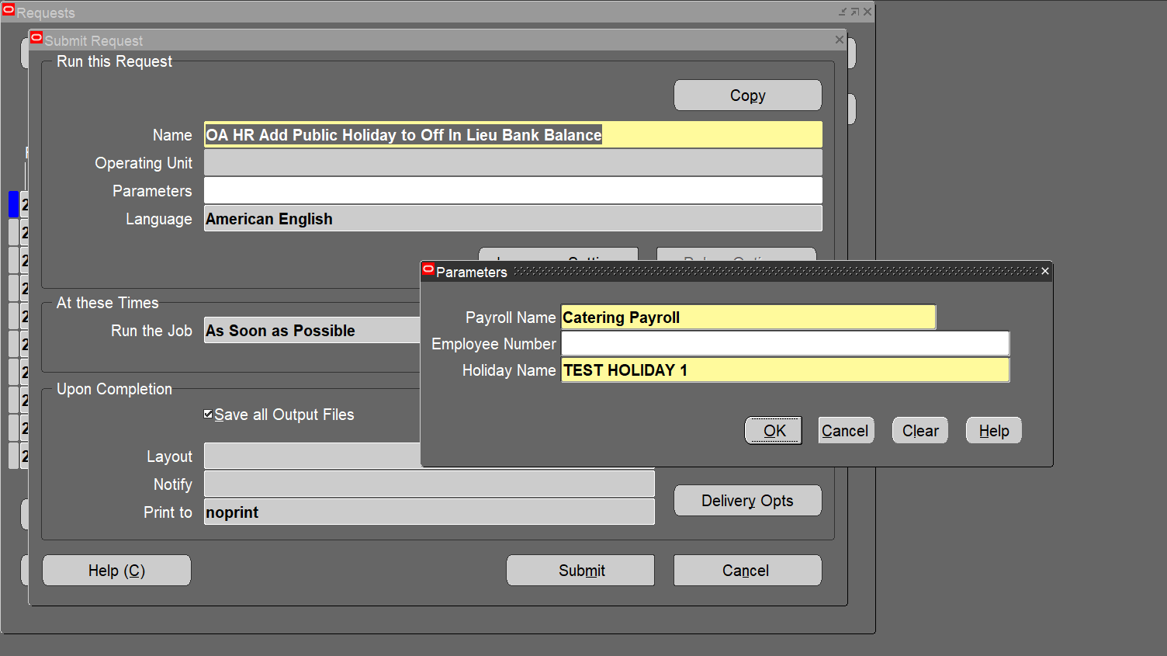

 | Run the program 'OA HR Add Public Holiday to Off In Lieu Bank Balance' with payroll as 'Catering Payroll' for Test Holiday 2
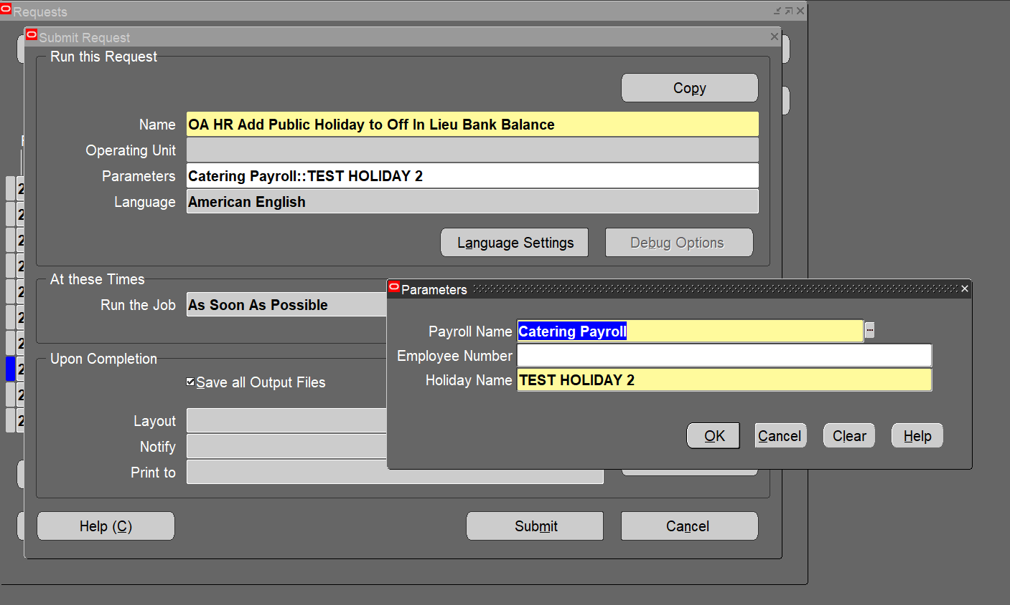

Click on Submit
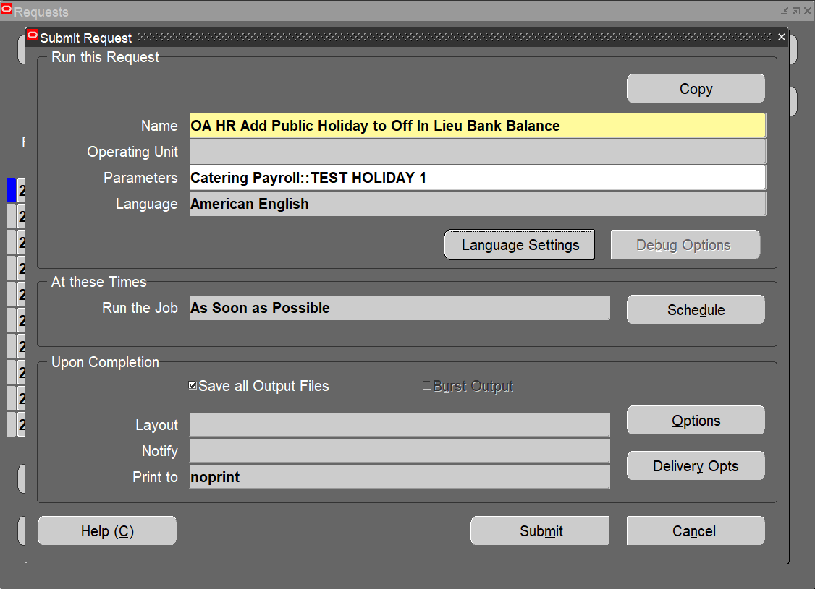

 | Click on Submit
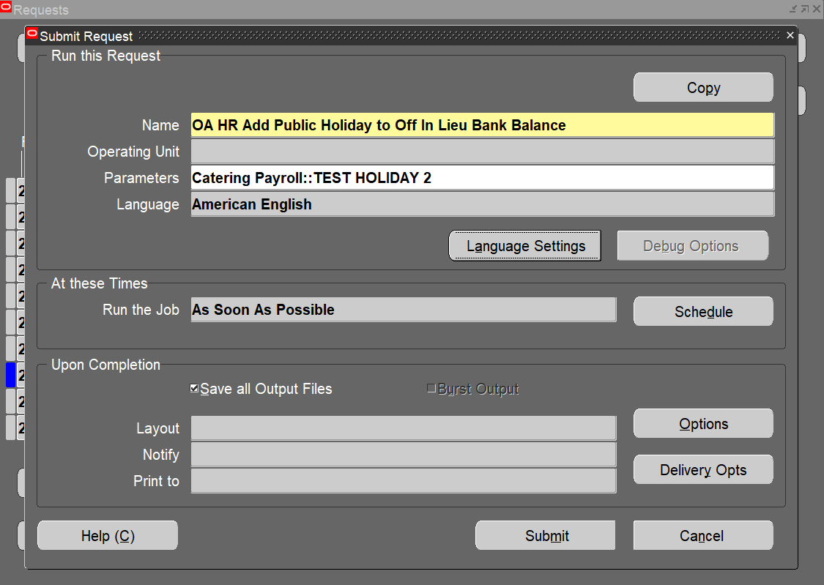

The Off in Lieu Bank Adjustment Entry has been made for the TEST HOLIDAY 1
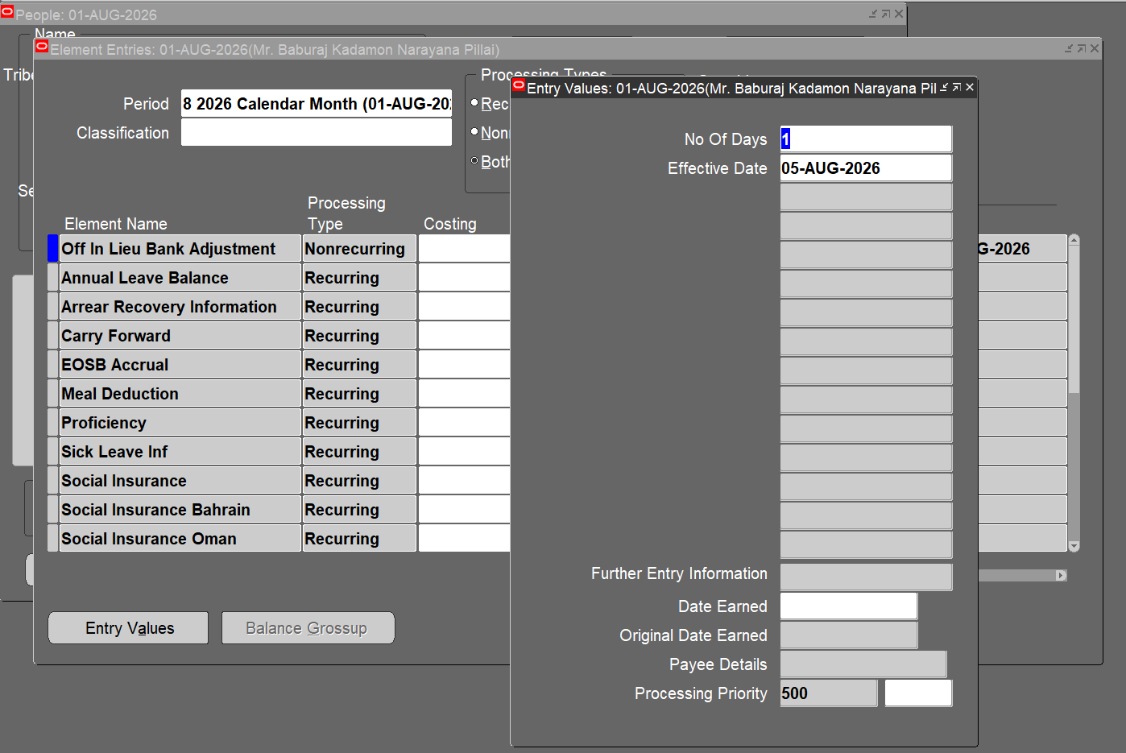

 | The Off in Lieu Bank Adjustment Entry has been made for the TEST HOLIDAY 2
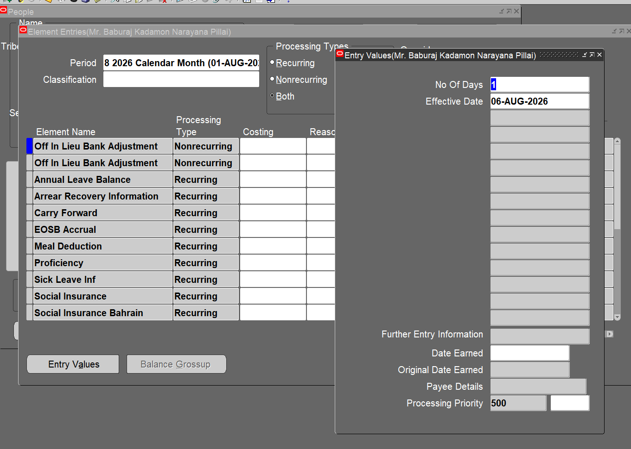

The Annual Leave Balance remains unchanged after Testing.

The Off in Lieu Bank Balance value has been incremented to 1 | The Annual Leave Balance remains unchanged after testing.
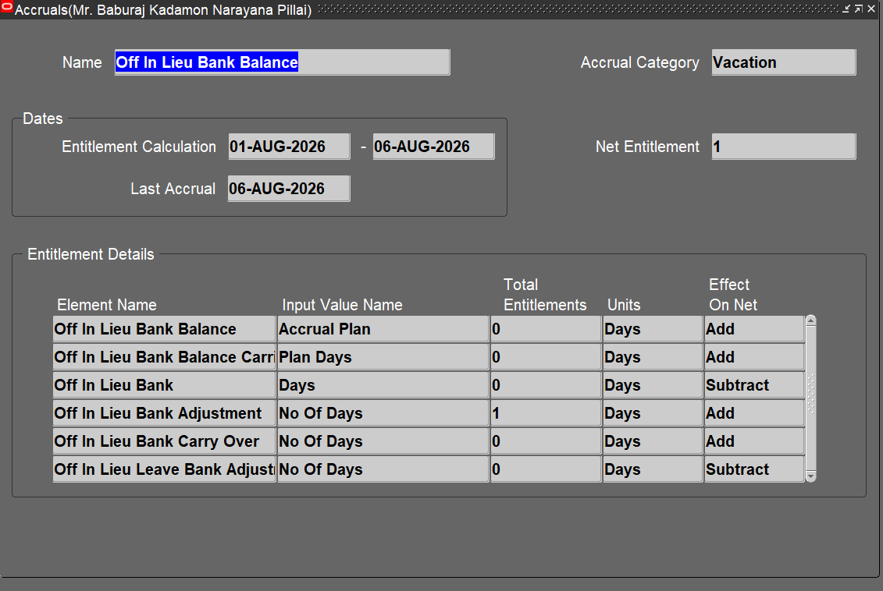

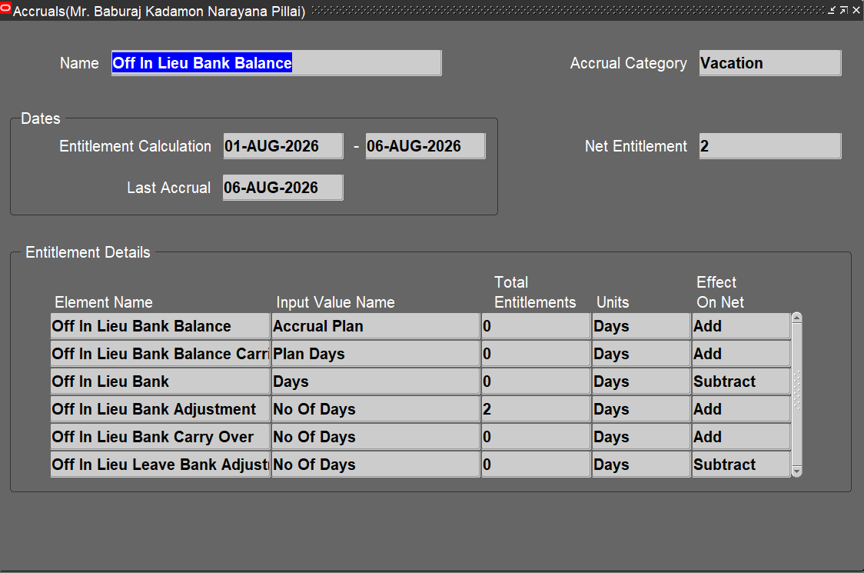
 | The Off in Lieu Bank Balance becomes 2 since the program now increments holiday only for Shift Employees.

TC-02
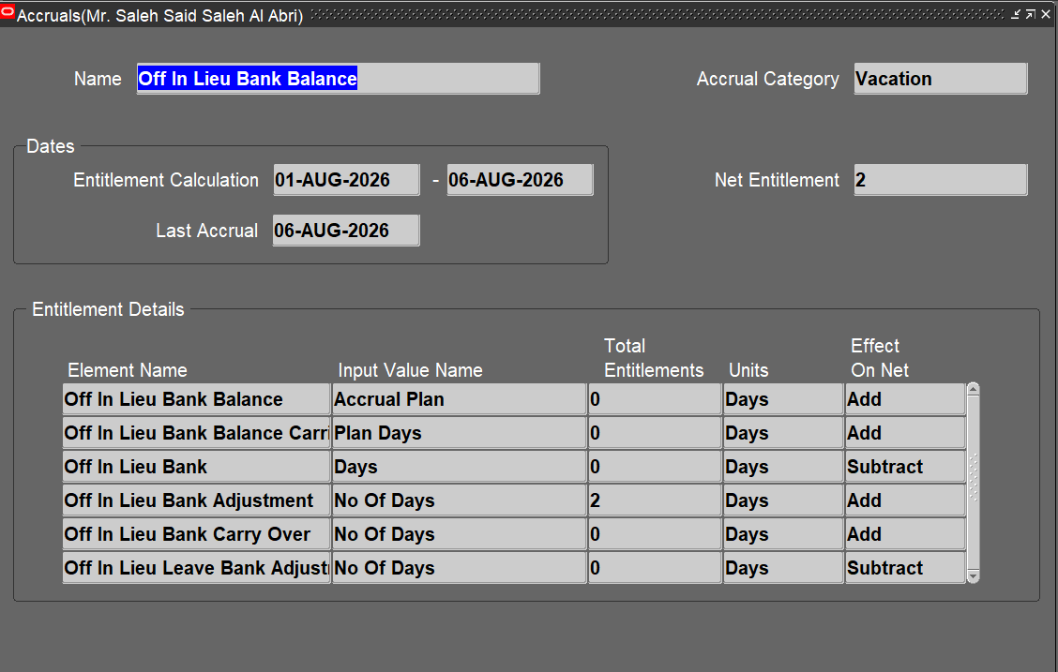
Considering the Shift Employee 20384 for testing

Scenario 1 | Scenario 2
The Annual Balance of the employee before testing. | The Annual Balance of the employee before testing.

A New Lookup 'XXOA_OFFIN_LIEU_EMP_TYPE_CAT’ is created, including both Shift and Regular Employees
 | A New Lookup 'XXOA_OFFIN_LIEU_EMP_TYPE_CAT’ is created, including only Shift Employees

Run the program 'OA HR Add Public Holiday to Off In Lieu Bank Balance' with payroll as 'Catering Payroll' for Test Holiday 1
 | The Off in Lieu Bank Balance before testing.

 | Run the program 'OA HR Add Public Holiday to Off In Lieu Bank Balance' with payroll as 'Catering Payroll' for Test Holiday 2

Click on Submit

 | Click on Submit

The Off in Lieu Bank Adjustment Entry has been made for the TEST HOLIDAY 1
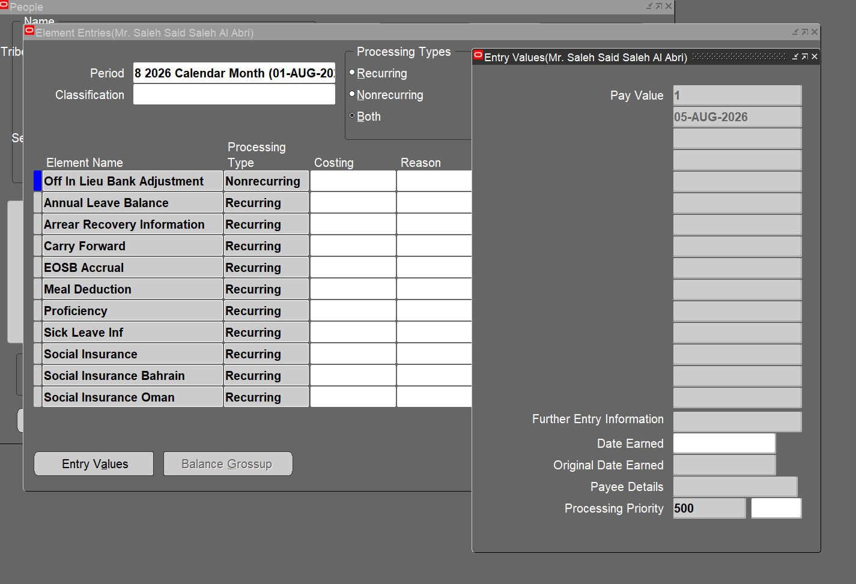

 | The Off in Lieu Bank Adjustment Entry has been made for the TEST HOLIDAY 2
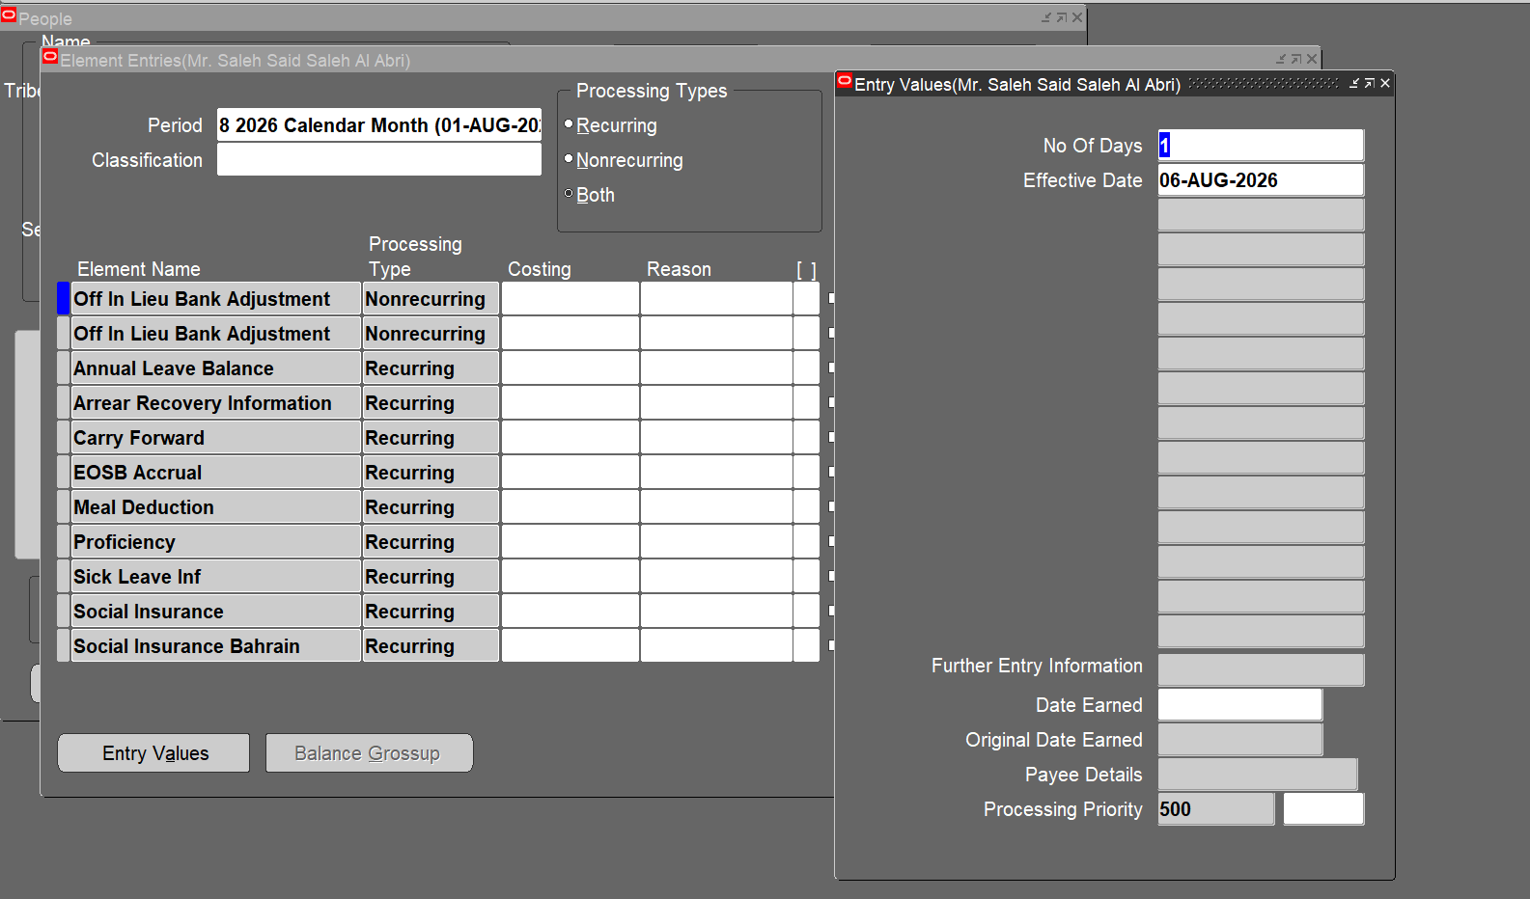
The Annual Balance of the employee before testing.

The Off in Lieu Bank Balance value has been incremented to 1
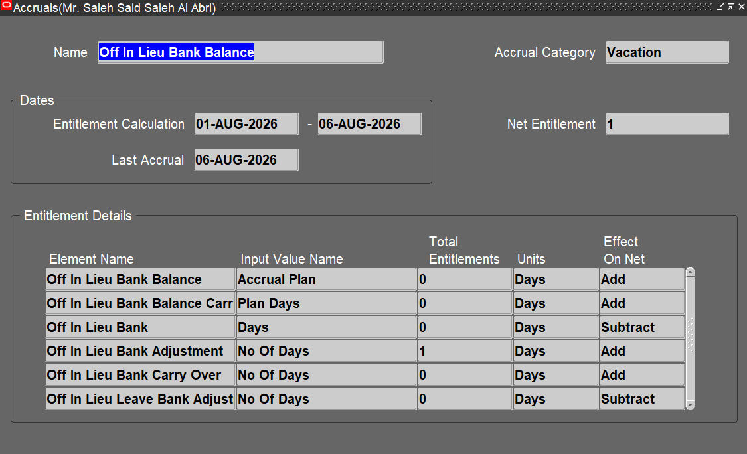

 | The Annual Leave Balance remains unchanged after testing.

 | The Off in Lieu Bank Balance becomes 2 since the program now increments holiday only for Shift Employees.

TC-03
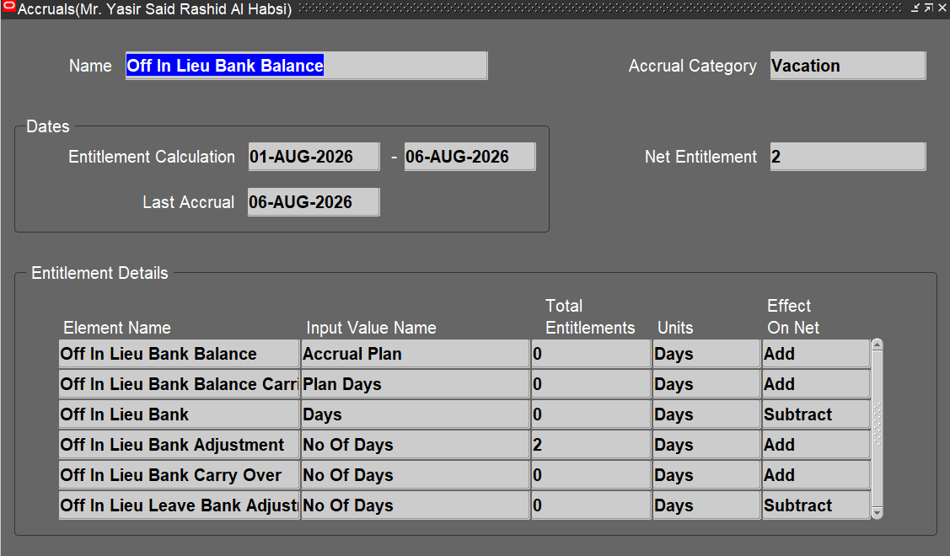
Considering the Shift Employee 20408 for testing

Scenario 1
The Annual Balance of the employee before testing. | Scenario 2
 | The Annual Balance of the employee before testing.

A New Lookup 'XXOA_OFFIN_LIEU_EMP_TYPE_CAT’ is created, including both Shift and Regular Employees
 | A New Lookup 'XXOA_OFFIN_LIEU_EMP_TYPE_CAT’ is created, including only Shift Employees

Run the program 'OA HR Add Public Holiday to Off In Lieu Bank Balance' with payroll as 'Catering Payroll' for Test Holiday 1

 | The Off in Lieu Bank Balance before testing.

 | Run the program 'OA HR Add Public Holiday to Off In Lieu Bank Balance' with payroll as 'Catering Payroll' for Test Holiday 2

Click on Submit

 | Click on Submit

The Off in Lieu Bank Adjustment Entry has been made for the TEST HOLIDAY 1
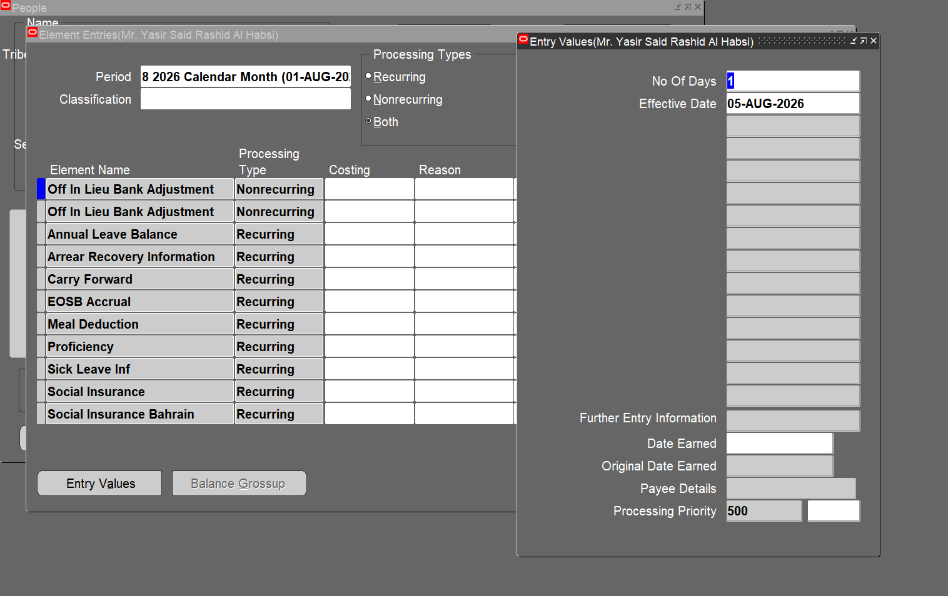

 | The Off in Lieu Bank Adjustment Entry has been made for the TEST HOLIDAY 2
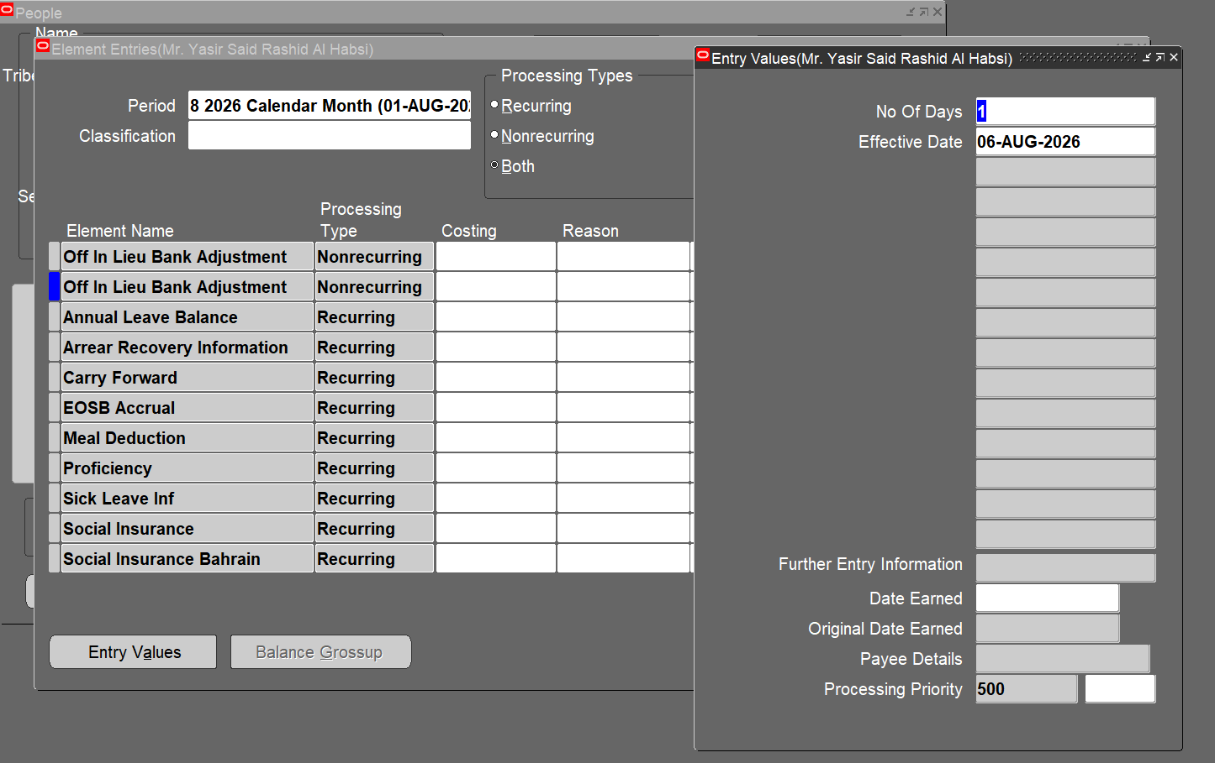

The Annual Leave Balance remains unchanged after Testing.

The Off in Lieu Bank Balance value has been incremented to 1
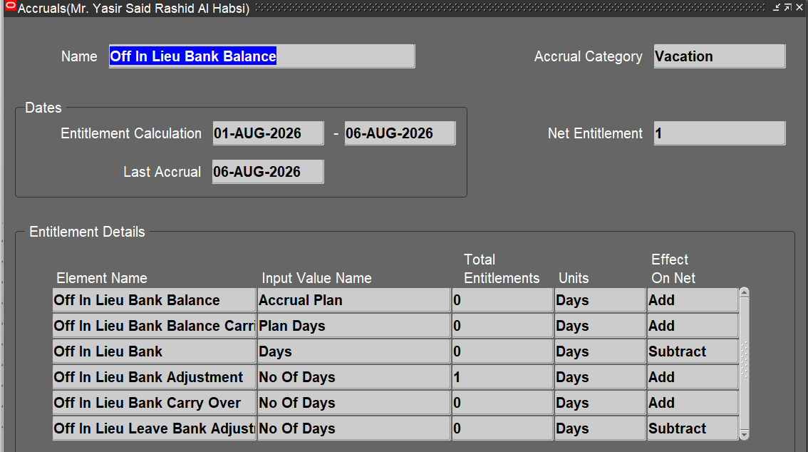

 | The Annual Leave Balance remains unchanged after testing.

 | The Off in Lieu Bank Balance becomes 2 since the program now increments holiday only for Shift Employees.

TC-04
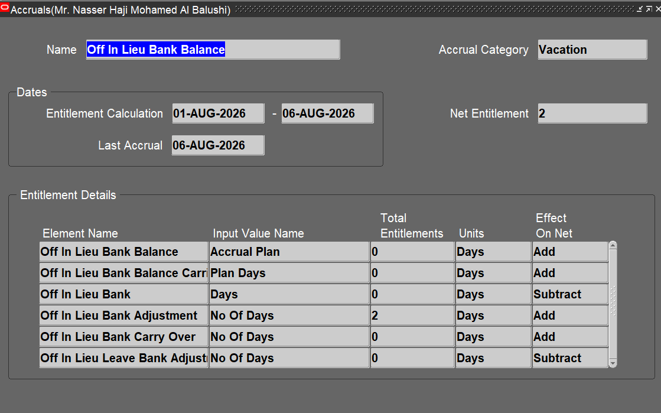
Considering the Shift Employee 20470 for testing

Scenario 1 | Scenario 2
The Annual Balance of the employee before testing. | The Annual Balance of the employee before testing.

 | A New Lookup 'XXOA_OFFIN_LIEU_EMP_TYPE_CAT’ is created, including only Shift Employees
A New Lookup 'XXOA_OFFIN_LIEU_EMP_TYPE_CAT’ is created, including both Shift and Regular Employees

Run the program 'OA HR Add Public Holiday to Off In Lieu Bank Balance' with payroll as 'Catering Payroll' for Test Holiday 1
 | The Off in Lieu Bank Balance before testing.

 | Run the program 'OA HR Add Public Holiday to Off In Lieu Bank Balance' with payroll as 'Catering Payroll' for Test Holiday 2

Click on Submit

 | Click on Submit

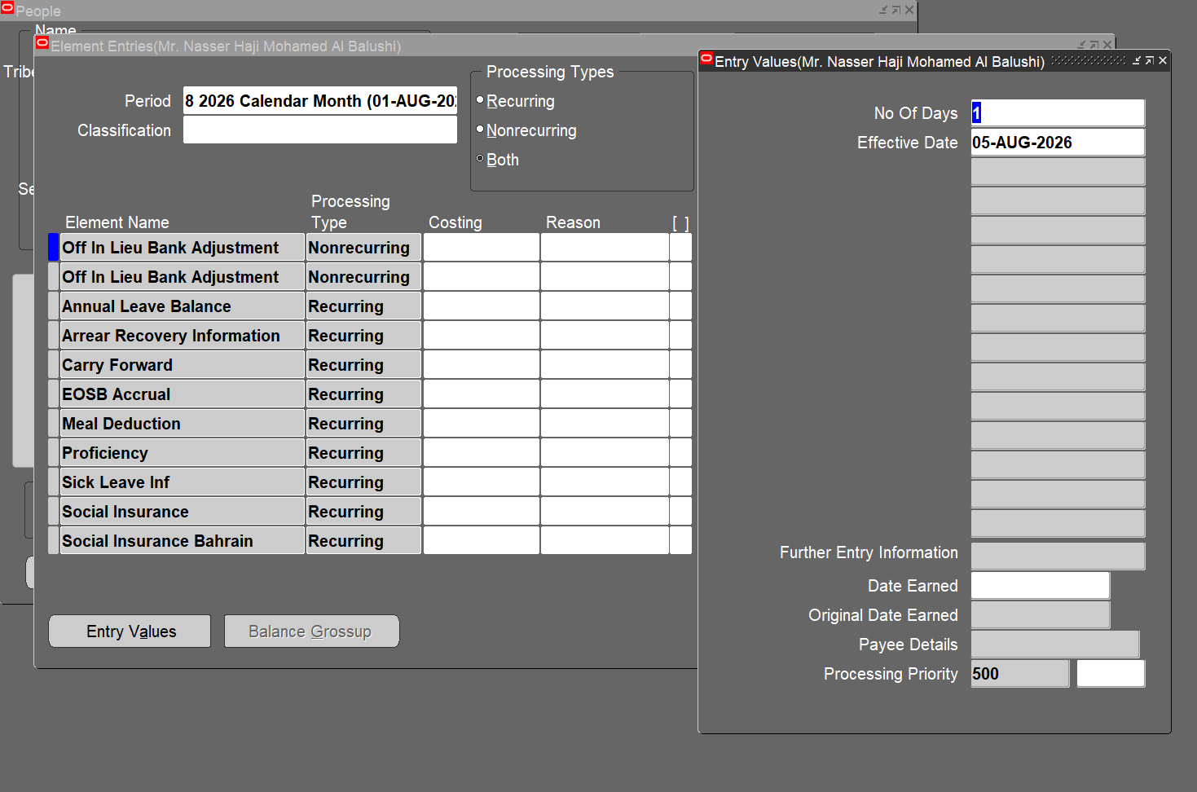
The Off in Lieu Bank Adjustment Entry has been made for the TEST HOLIDAY 1

 | The Off in Lieu Bank Adjustment Entry has been made for the TEST HOLIDAY 2
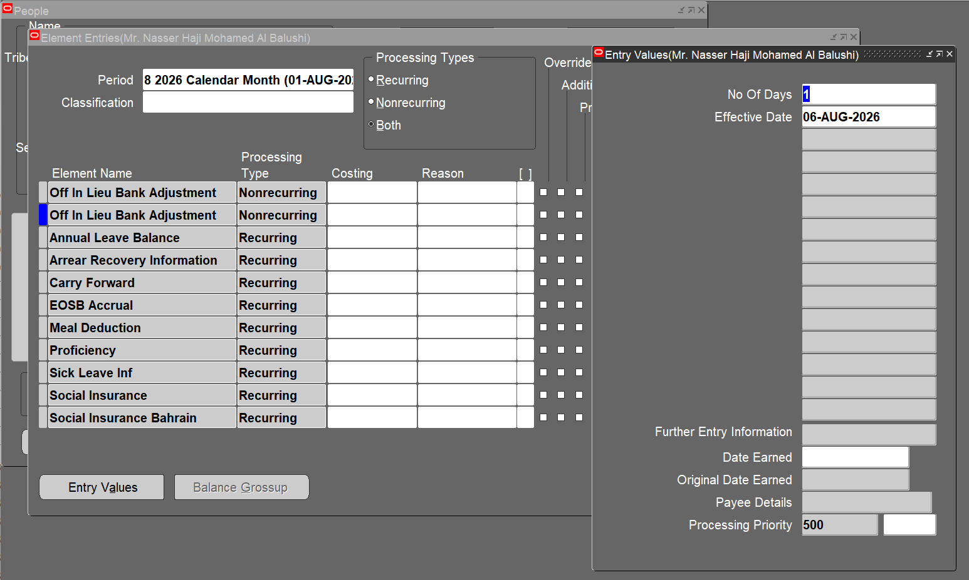

The Annual Leave Balance remains unchanged after Testing.

The Off in Lieu Bank Balance value has been incremented to 1


 | The Annual Leave Balance remains unchanged after testing.

 | The Off in Lieu Bank Balance becomes 2 since the program now increments holiday only for Shift Employees.

TC-05

Considering the Shift Employee 20530 for testing

Scenario 1 | Scenario 2
The Annual Balance of the employee before testing. | The Annual Balance of the employee before testing.

 | A New Lookup 'XXOA_OFFIN_LIEU_EMP_TYPE_CAT’ is created, including only Shift Employees
A New Lookup 'XXOA_OFFIN_LIEU_EMP_TYPE_CAT’ is created, including both Shift and Regular Employees

Run the program 'OA HR Add Public Holiday to Off In Lieu Bank Balance' with payroll as 'Catering Payroll' for Test Holiday 1 | The Off in Lieu Bank Balance before testing.

 | Run the program 'OA HR Add Public Holiday to Off In Lieu Bank Balance' with payroll as 'Catering Payroll' for Test Holiday 2

Click on Submit

 | Click on Submit

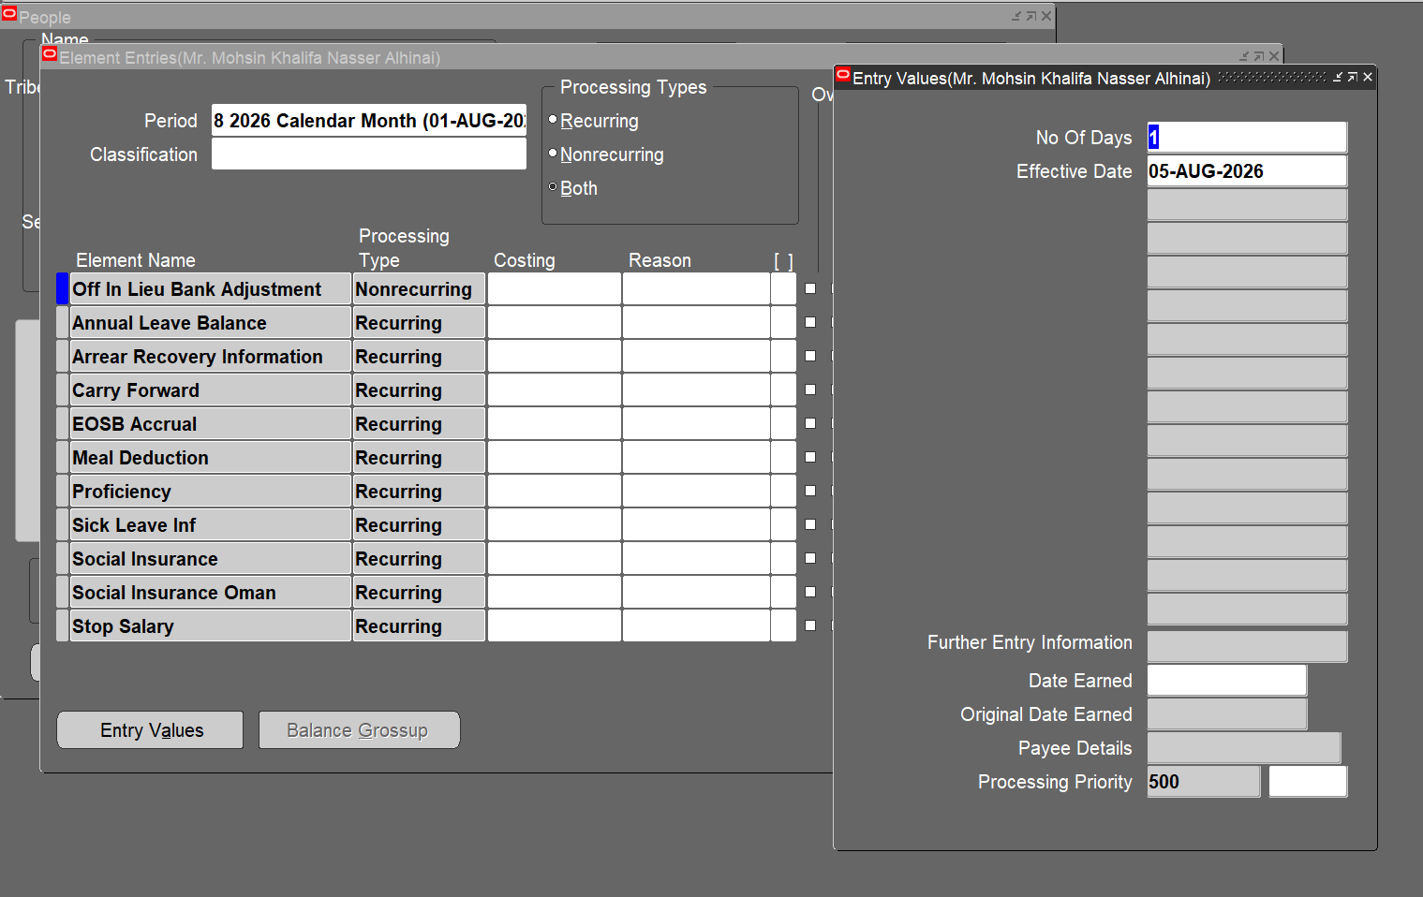
The Off in Lieu Bank Adjustment Entry has been made for the TEST HOLIDAY 1

 | The Off in Lieu Bank Adjustment Entry has been made for the TEST HOLIDAY 2
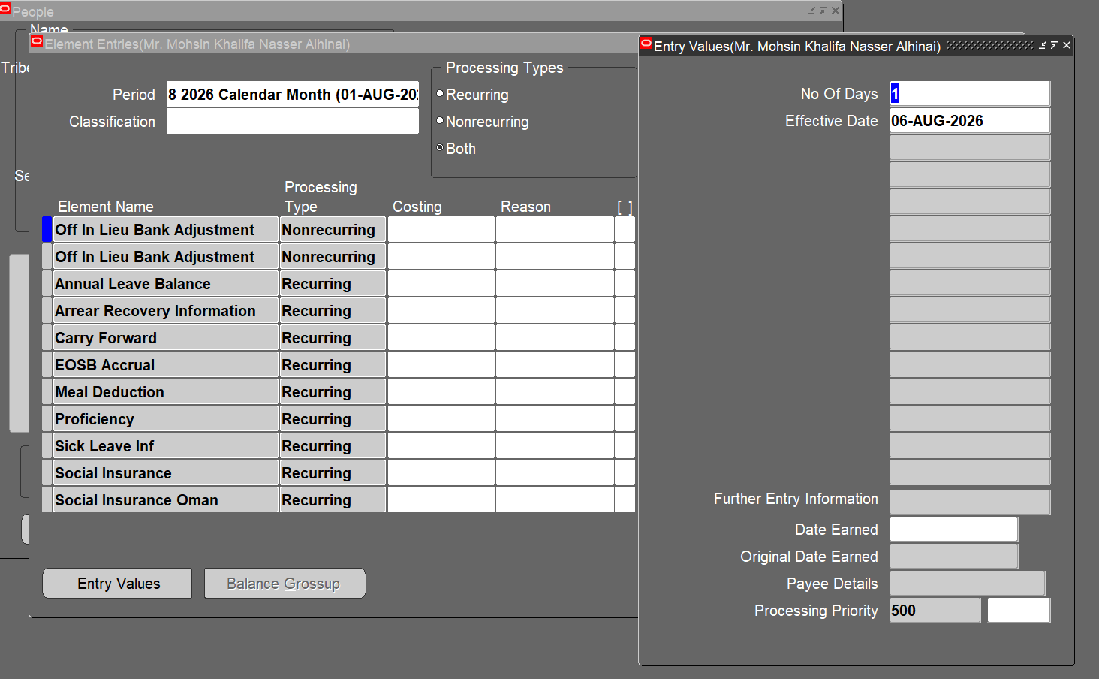
The Annual Leave Balance remains unchanged after Testing.

The Off in Lieu Bank Balance value has been incremented to 1


 | The Annual Leave Balance remains unchanged after testing.

 | The Off in Lieu Bank Balance becomes 2 since the program now increments holiday only for Shift Employees.

TC-06
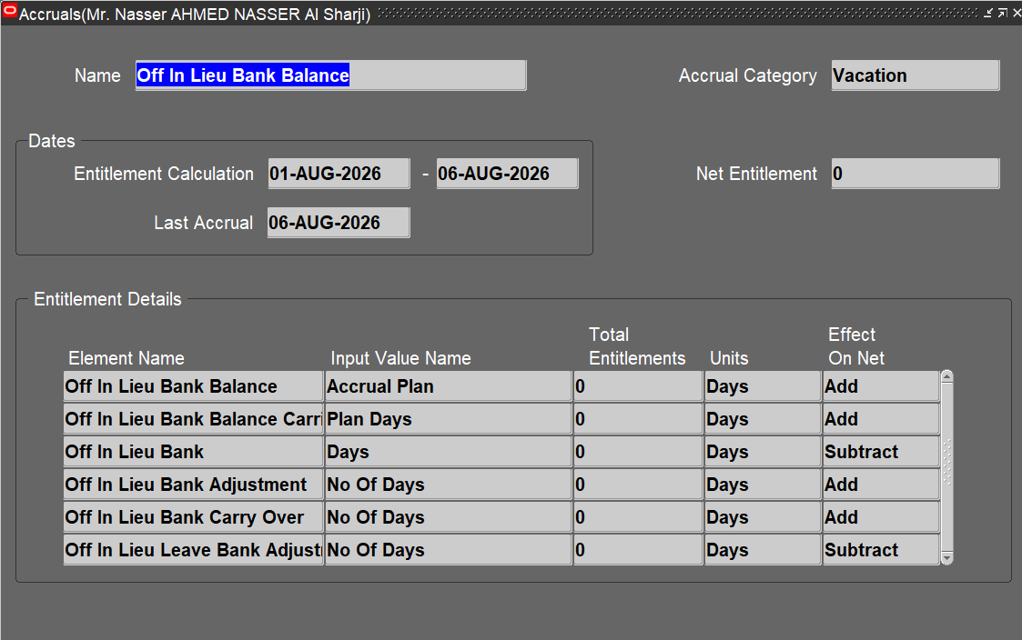
Considering the Regular Employee 40022 for testing

Scenario 1 | Scenario 2
The Annual Balance of the employee before testing. | The Annual Balance of the employee before testing.

 | A New Lookup 'XXOA_OFFIN_LIEU_EMP_TYPE_CAT’ is created, including only Shift Employees
A New Lookup 'XXOA_OFFIN_LIEU_EMP_TYPE_CAT’ is created, including both Shift and Regular Employees

Run the program 'OA HR Add Public Holiday to Off In Lieu Bank Balance' with payroll as 'Catering Payroll' for Test Holiday 1 | The Off in Lieu Bank Balance before testing.

 | Run the program 'OA HR Add Public Holiday to Off In Lieu Bank Balance' with payroll as 'Catering Payroll' for Test Holiday 2

Click on Submit

 | Click on Submit

The Off in Lieu Bank Adjustment Entry has been made for the TEST HOLIDAY 1
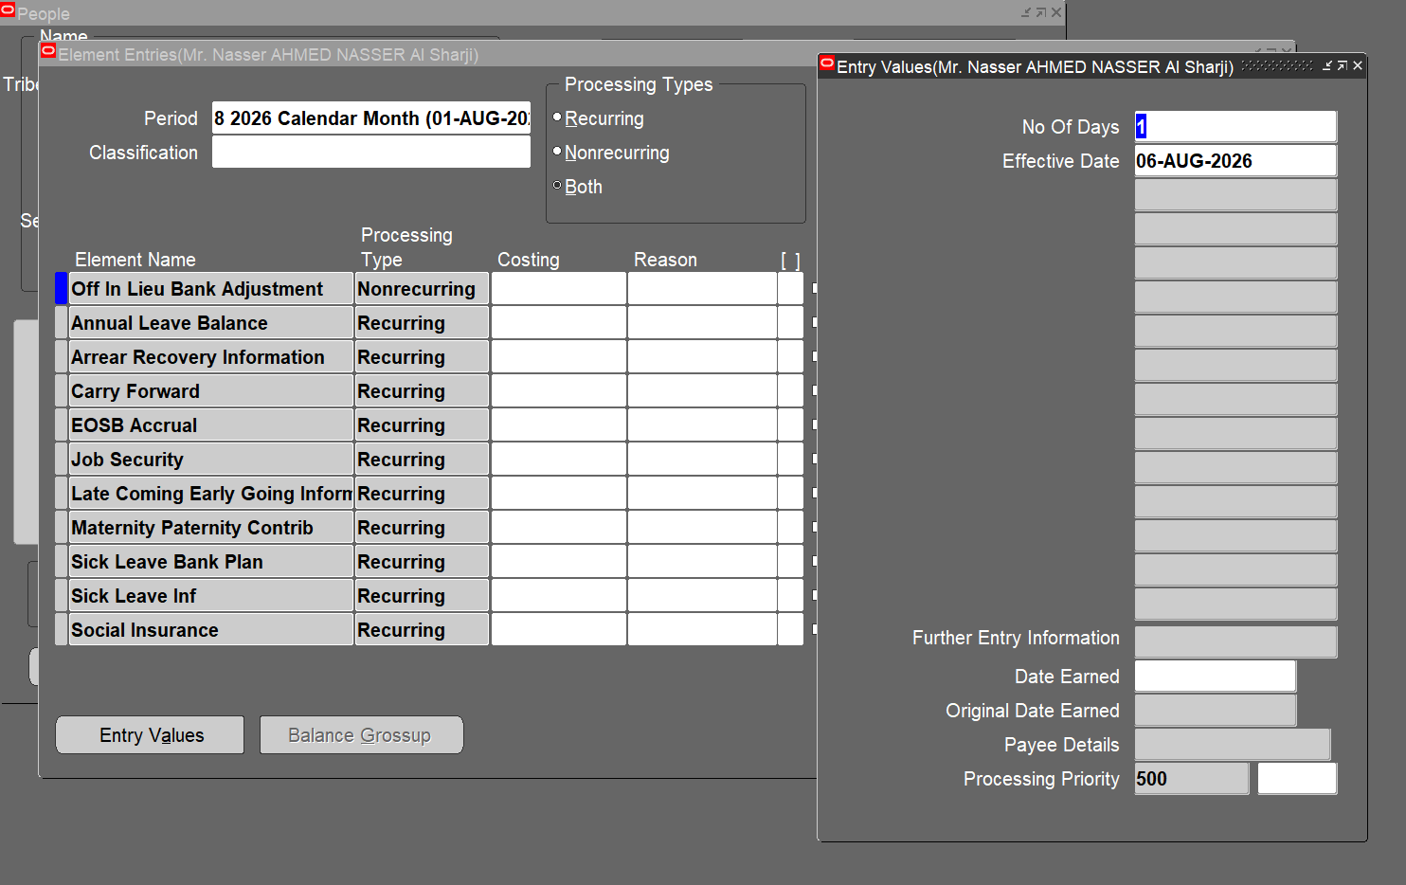

 | Here, The Off in Lieu Bank Adjustment Entry is displayed only for TEST HOLIDAY 1 and skips the entry of TEST HOLIDAY 2
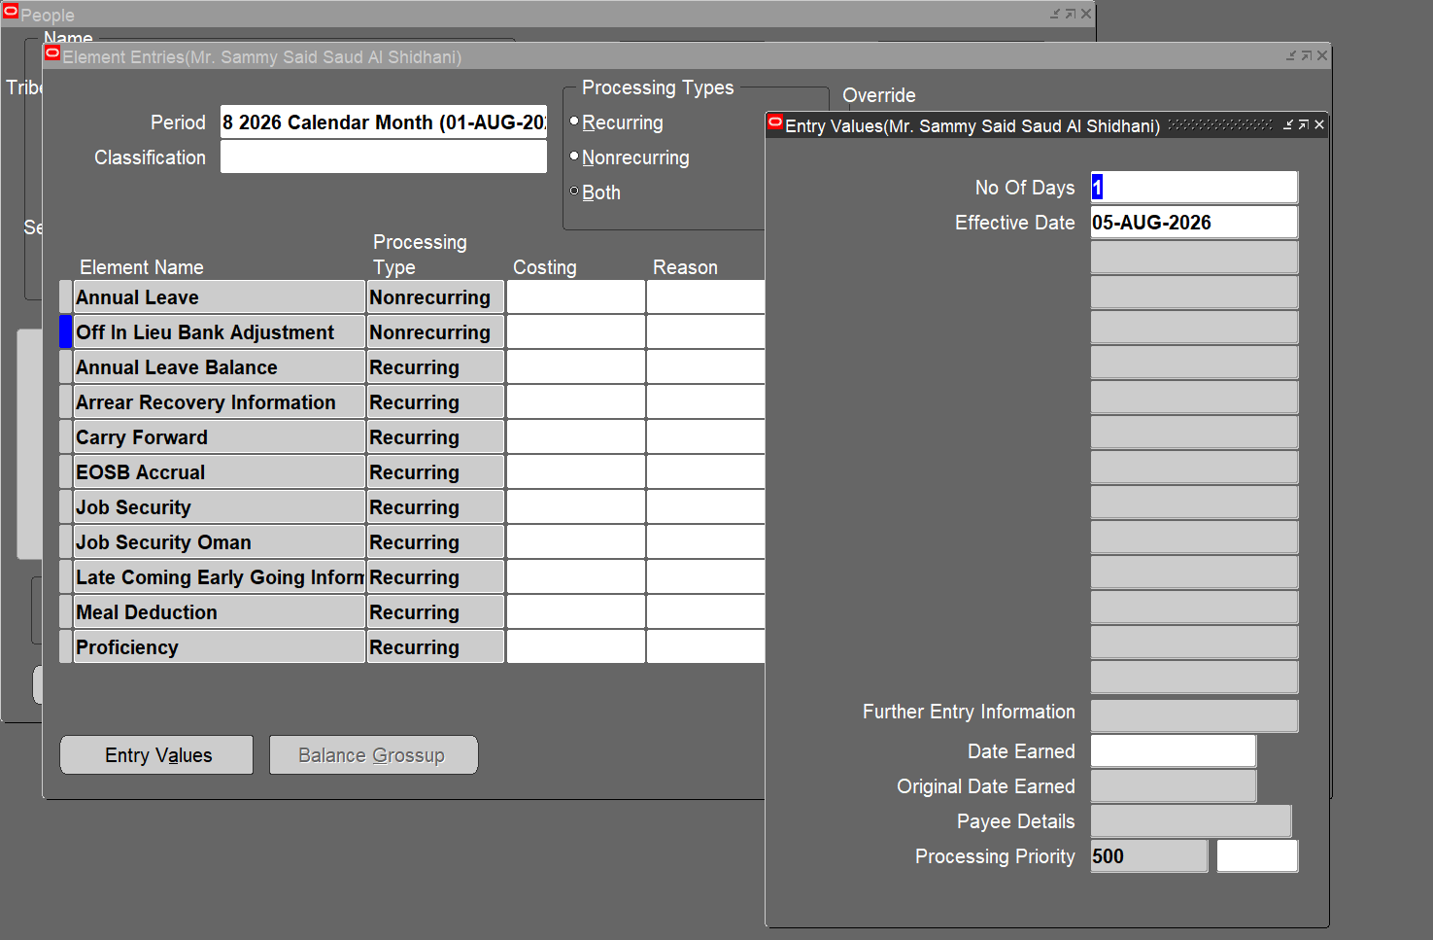

The Annual Leave Balance remains unchanged after Testing.


The Off in Lieu Bank Balance value has been incremented to 1
 | The Annual Leave Balance remains unchanged after testing.

 | The Off in Lieu Bank Balance remains 0 since the program now increments holiday only for Shift Employees.

TC-07
Considering the Regular Employee 20620 for testing

Scenario 1 | Scenario 2
The Annual Balance of the employee before testing. | The Annual Balance of the employee before testing.

A New Lookup 'XXOA_OFFIN_LIEU_EMP_TYPE_CAT’ is created, including both Shift and Regular Employees | The Off in Lieu Bank Balance before testing.
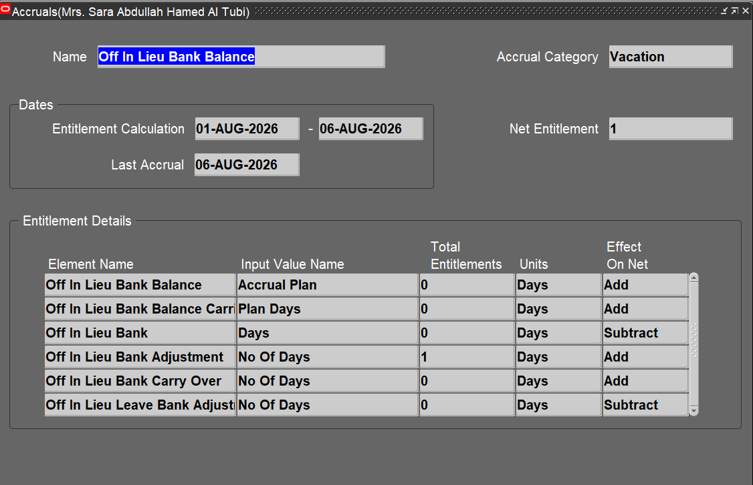

Run the program 'OA HR Add Public Holiday to Off In Lieu Bank Balance' with payroll as 'Catering Payroll' for Test Holiday 1

 | A New Lookup 'XXOA_OFFIN_LIEU_EMP_TYPE_CAT’ is created, including only Shift Employees

Click on Submit
 | Run the program 'OA HR Add Public Holiday to Off In Lieu Bank Balance' with payroll as 'Catering Payroll' for Test Holiday 2

The Off in Lieu Bank Adjustment Entry has been made for the TEST HOLIDAY 1 | Click on Submit
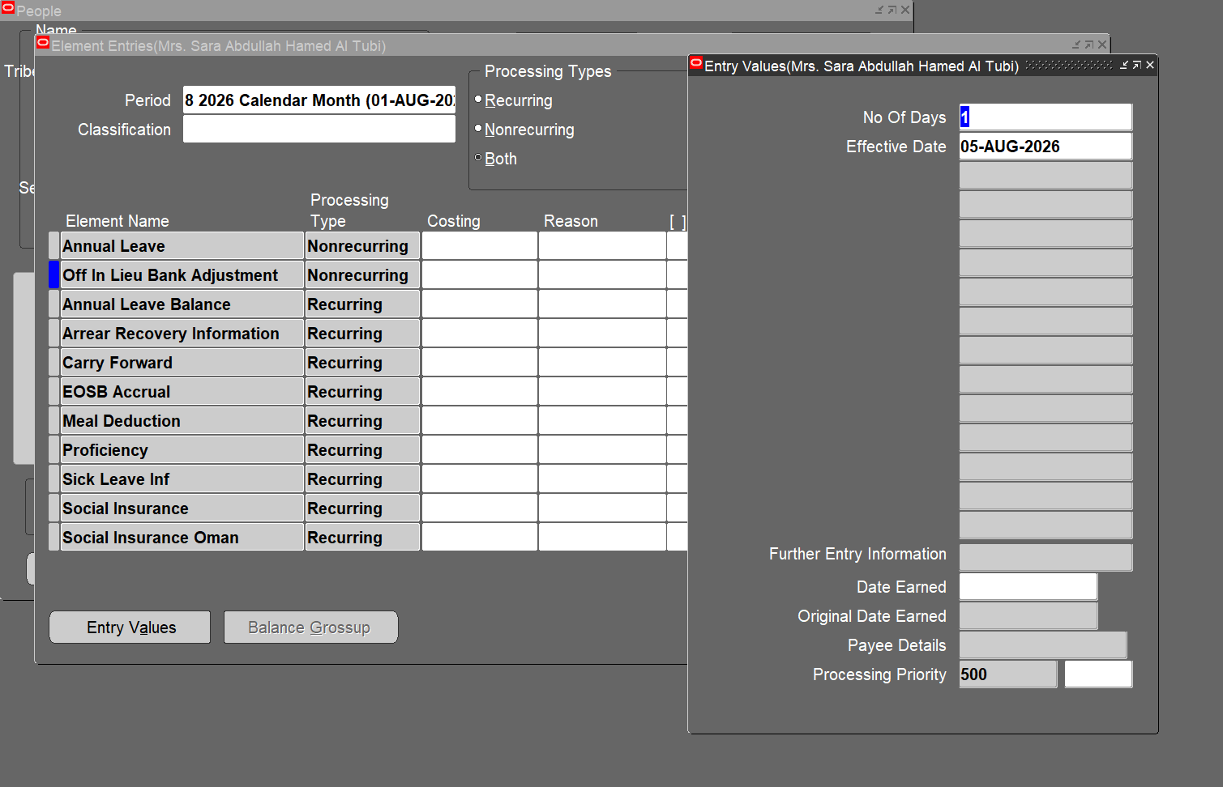

The Annual Leave Balance remains unchanged after Testing. | Here, The Off in Lieu Bank Adjustment Entry is displayed only for TEST HOLIDAY 1 and skips the entry of TEST HOLIDAY 2

The Off in Lieu Bank Balance value has been incremented to 1


 | The Annual Leave Balance remains unchanged after testing.

 | The Off in Lieu Bank Balance remains 1 since the program now increments holiday only for Shift Employees.

TC-08
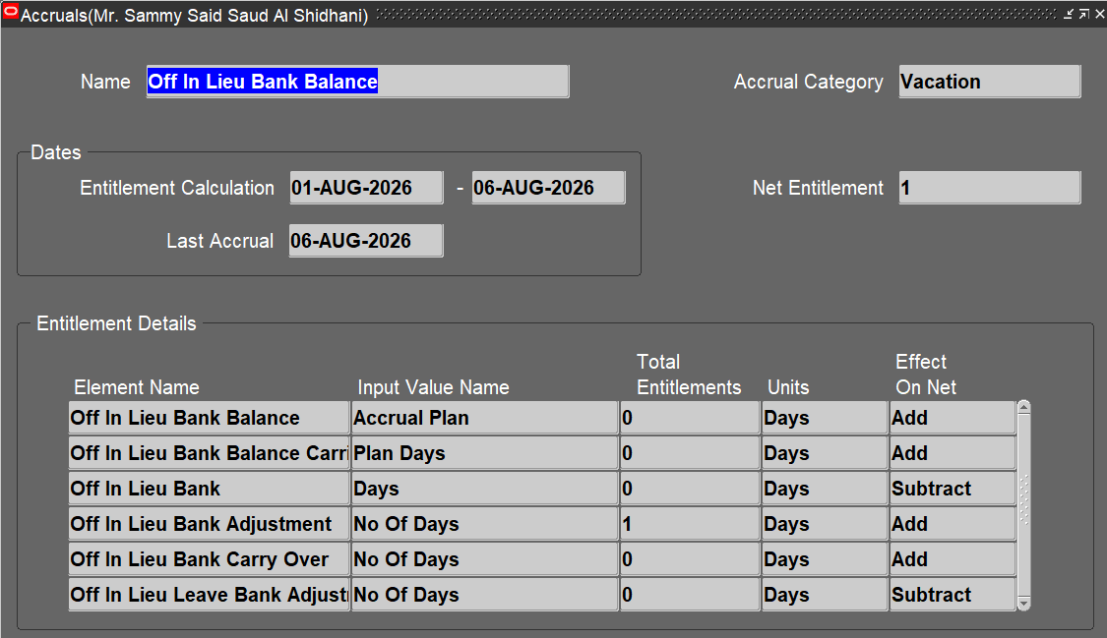
Considering the Regular Employee 20863 for testing

Scenario 1 | Scenario 2
The Annual Balance of the employee before testing. | The Annual Balance of the employee before testing.

A New Lookup 'XXOA_OFFIN_LIEU_EMP_TYPE_CAT’ is created, including both Shift and Regular Employees | A New Lookup 'XXOA_OFFIN_LIEU_EMP_TYPE_CAT’ is created, including only Shift Employees

Run the program 'OA HR Add Public Holiday to Off In Lieu Bank Balance' with payroll as 'Catering Payroll' for Test Holiday 1 | The Off in Lieu Bank Balance before testing.

s

 | Run the program 'OA HR Add Public Holiday to Off In Lieu Bank Balance' with payroll as 'Catering Payroll' for Test Holiday 2

Click on Submit

 | Click on Submit

The Off in Lieu Bank Adjustment Entry has been made for the TEST HOLIDAY 1
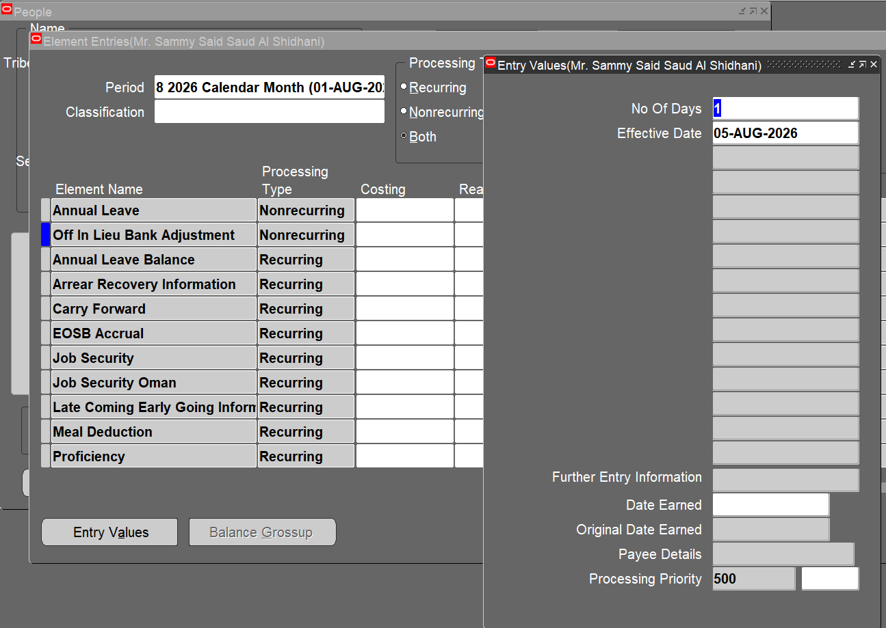

 | Here, The Off in Lieu Bank Adjustment Entry is displayed only for TEST HOLIDAY 1 and skips the entry of TEST HOLIDAY 2

The Annual Leave Balance remains unchanged after Testing.

The Off in Lieu Bank Balance value has been incremented to 1


 | The Annual Leave Balance remains unchanged after testing.

 | The Off in Lieu Bank Balance remains 1 since the program now increments holiday only for Shift Employees.

TC-09
Considering the Regular Employee 40019 for testing

Scenario 1 | Scenario 2
The Annual Balance of the employee before testing. | The Annual Balance of the employee before testing.

 | A New Lookup 'XXOA_OFFIN_LIEU_EMP_TYPE_CAT’ is created, including only Shift Employees
A New Lookup 'XXOA_OFFIN_LIEU_EMP_TYPE_CAT’ is created, including both Shift and Regular Employees

Run the program 'OA HR Add Public Holiday to Off In Lieu Bank Balance' with payroll as 'Catering Payroll' for Test Holiday 1 | The Off in Lieu Bank Balance before testing.

 | Run the program 'OA HR Add Public Holiday to Off In Lieu Bank Balance' with payroll as 'Catering Payroll' for Test Holiday 2

Click on Submit

 | Click on Submit

The Off in Lieu Bank Adjustment Entry has been made for the TEST HOLIDAY 1
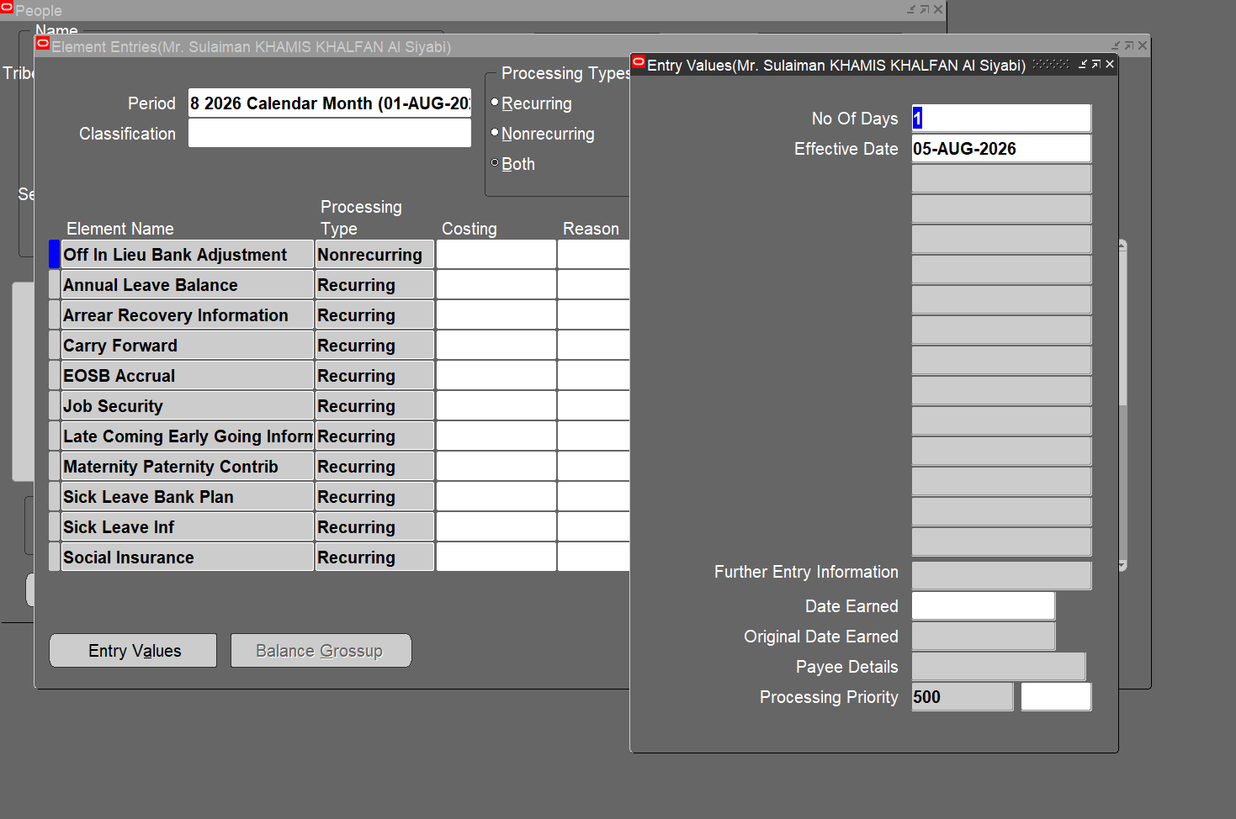

 | Here, The Off in Lieu Bank Adjustment Entry is displayed only for TEST HOLIDAY 1 and skips the entry of TEST HOLIDAY 2

The Annual Leave Balance remains unchanged after Testing.

 | The Annual Leave Balance remains unchanged after testing.
The Off in Lieu Bank Balance value has been incremented to 1


 | The Off in Lieu Bank Balance remains 1 since the program now increments holiday only for Shift Employees.

TC-10
Considering the Regular Employee 20809 for testing

Scenario 1 | Scenario 2
The Annual Balance of the employee before testing. | The Annual Balance of the employee before testing.

 | A New Lookup 'XXOA_OFFIN_LIEU_EMP_TYPE_CAT’ is created, including only Shift Employees

A New Lookup 'XXOA_OFFIN_LIEU_EMP_TYPE_CAT’ is created, including both Shift and Regular Employees

 | The Off in Lieu Bank Balance before testing.

Run the program 'OA HR Add Public Holiday to Off In Lieu Bank Balance' with payroll as 'Catering Payroll' for Test Holiday 1

 | Run the program 'OA HR Add Public Holiday to Off In Lieu Bank Balance' with payroll as 'Catering Payroll' for Test Holiday 2

Click on Submit

 | Click on Submit

The Off in Lieu Bank Adjustment Entry has been made for the TEST HOLIDAY 1
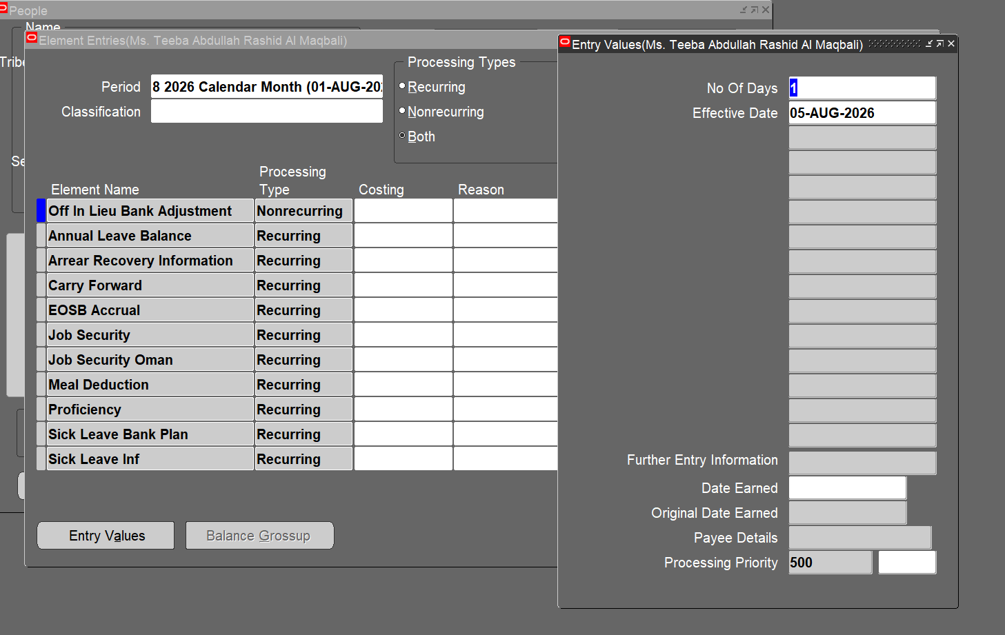

 | Here, The Off in Lieu Bank Adjustment Entry is displayed only for TEST HOLIDAY 1 and skips the entry of TEST HOLIDAY 2

The Annual Leave Balance remains unchanged after Testing.

The Off in Lieu Bank Balance value has been incremented to 1 | The Annual Leave Balance remains unchanged after testing.


 | The Off in Lieu Bank Balance remains 1 since the program now increments holiday only for Shift Employees.

TC-11
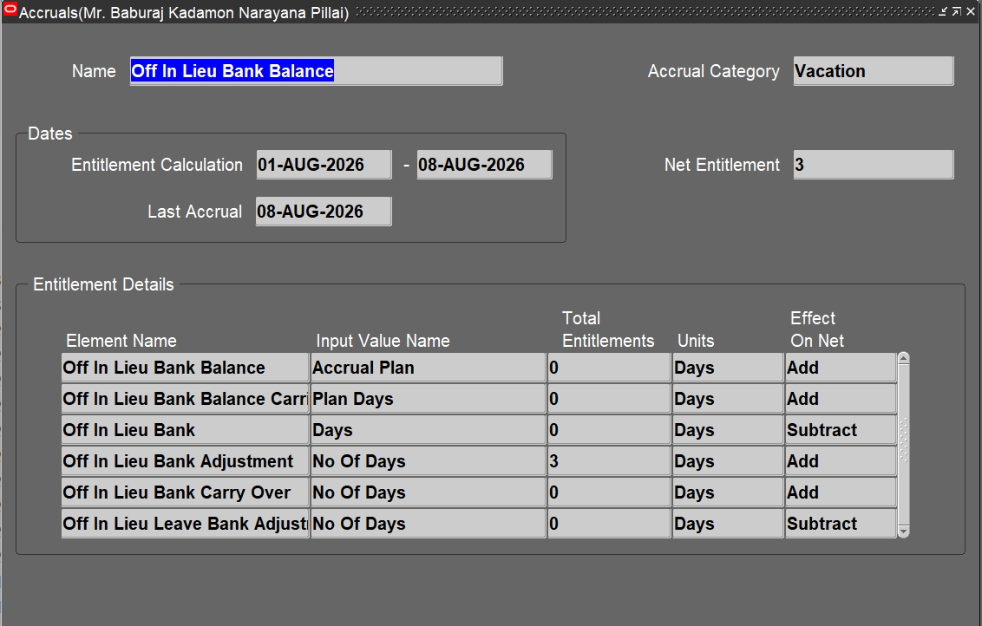
Considering the Shift Employee 20237 for testing

The Off in Lieu Bank Balance before testing.


Query the 'Off in Lieu Requests' in the Special Information page of the People form, create an entry and click on Detail.
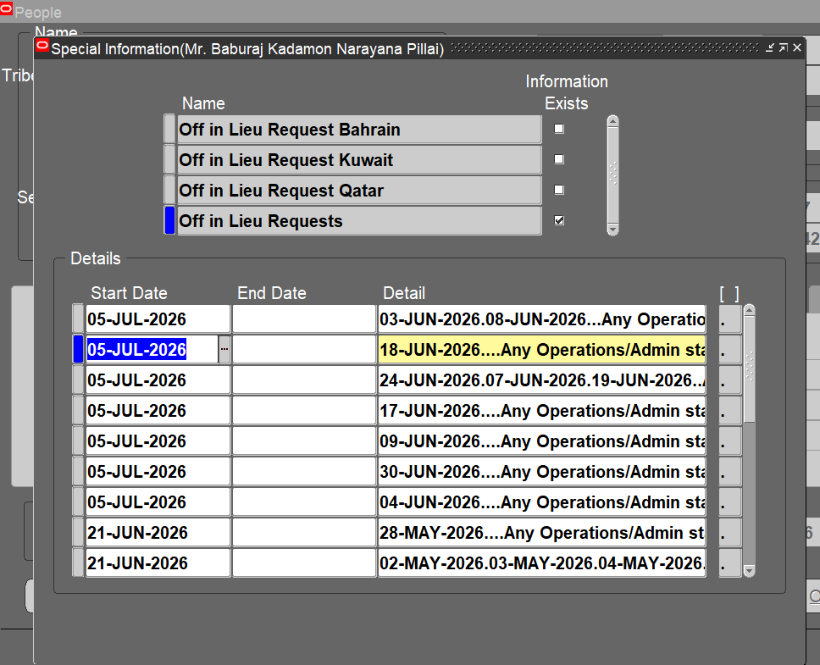

The Off in Lieu Date is provided as '02-AUG-2026' for testing. Save the changes.
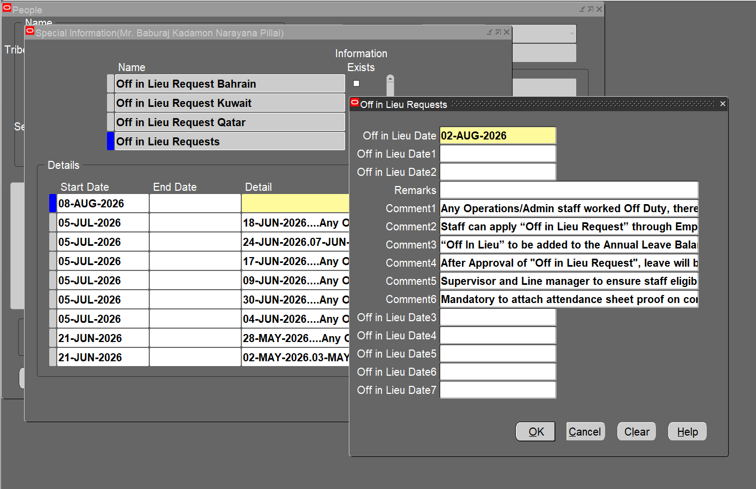

Run the program ''OA Custom HR Off in Lieu Request to Off in Lieu Bank Adjustment' and Click on Submit.
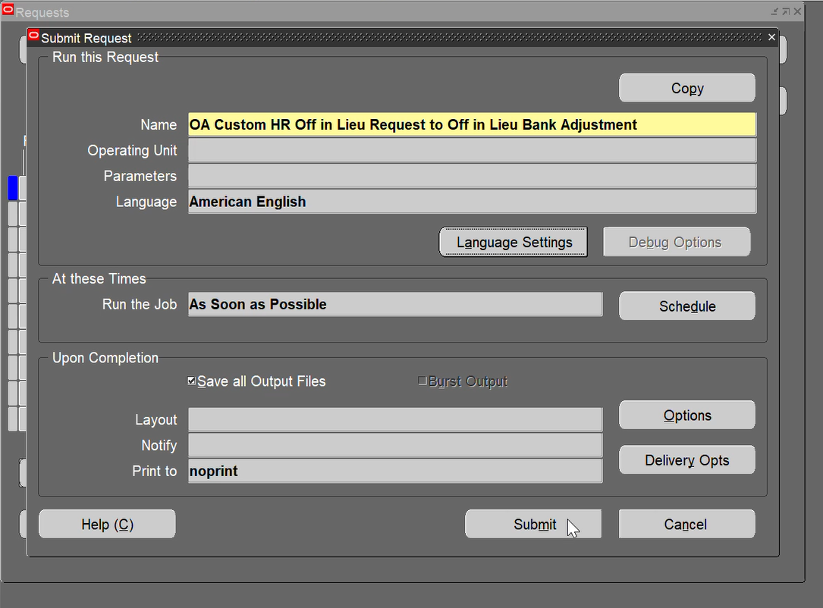

The Off in Lieu Bank Adjustment Entry has been done for 1 day


The Off in Lieu Bank Balance value has been incremented to 3

TC-12

Considering the Shift Employee 20384 for testing

The Off in Lieu Bank Balance before testing.

Query the 'Off in Lieu Requests' in the Special Information page of the People form, create an entry and click on Detail.
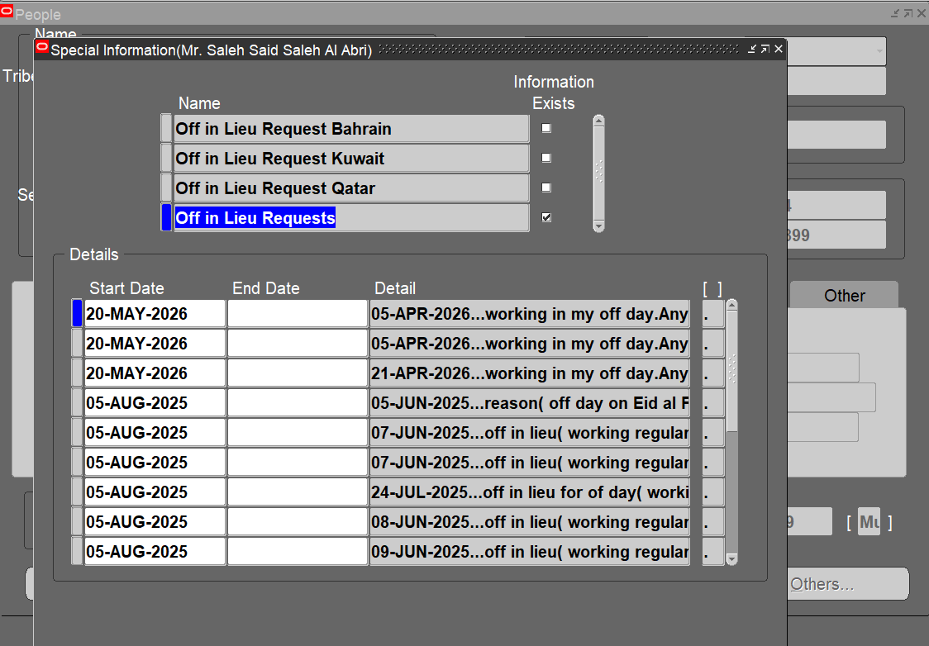

The Off in Lieu Date is provided as '02-AUG-2026' for testing. Save the changes.
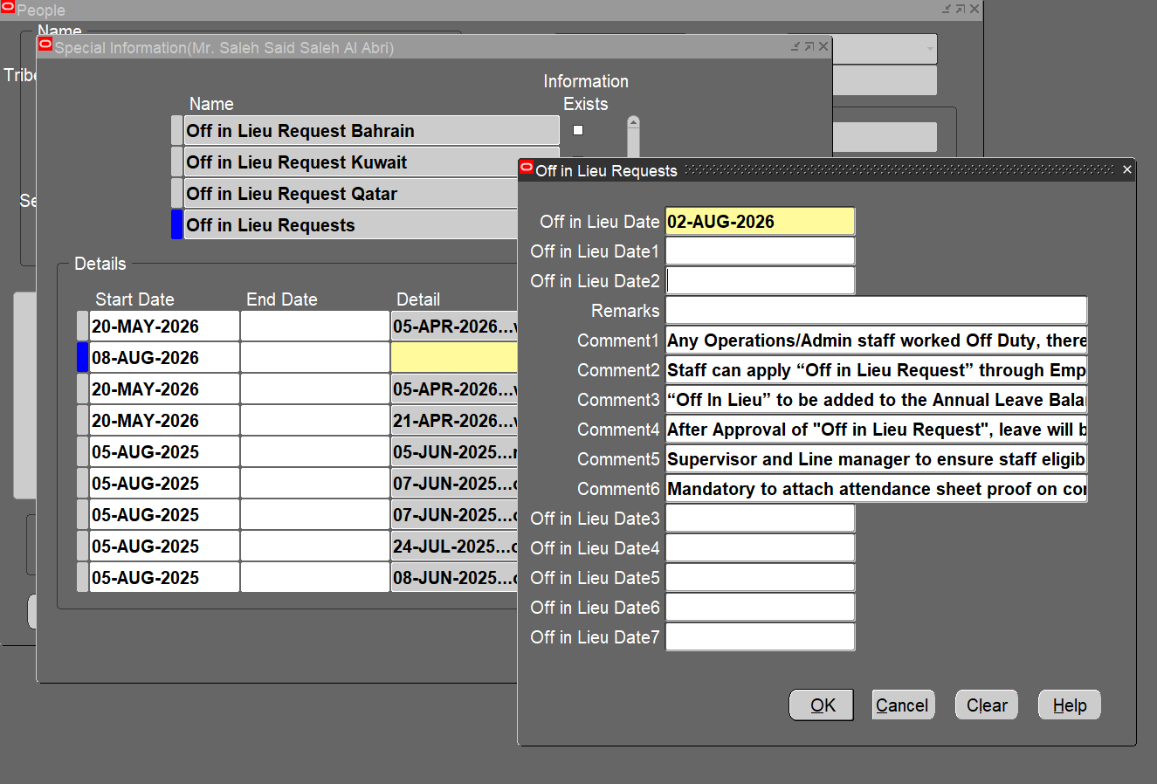

Run the program ''OA Custom HR Off in Lieu Request to Off in Lieu Bank Adjustment' and Click on Submit.

The Off in Lieu Bank Adjustment Entry has been done for 1 day


The Off in Lieu Bank Balance value has been incremented to 3

TC-13

Considering the Shift Employee 20408 for testing

The Off in Lieu Bank Balance before testing.

Query the 'Off in Lieu Requests' in the Special Information page of the People form, create an entry and click on Detail.
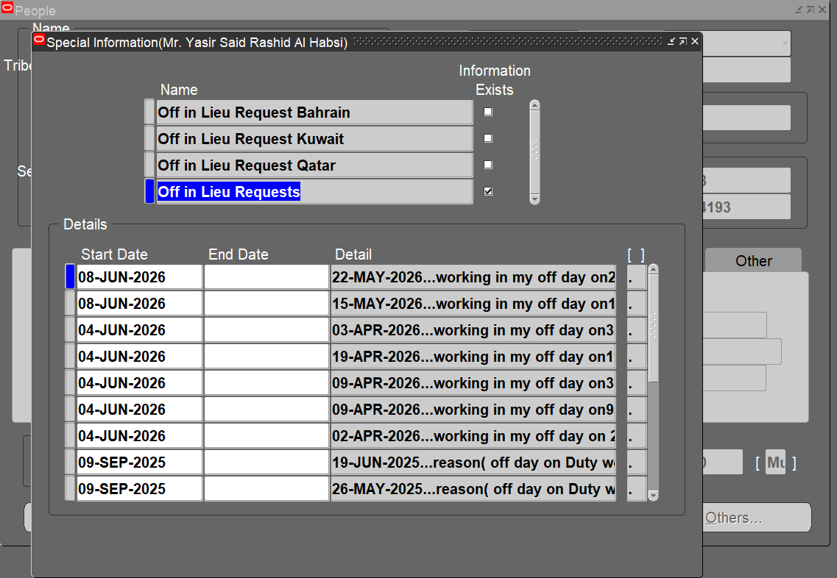

The Off in Lieu Date is provided as '02-AUG-2026' for testing. Save the changes.
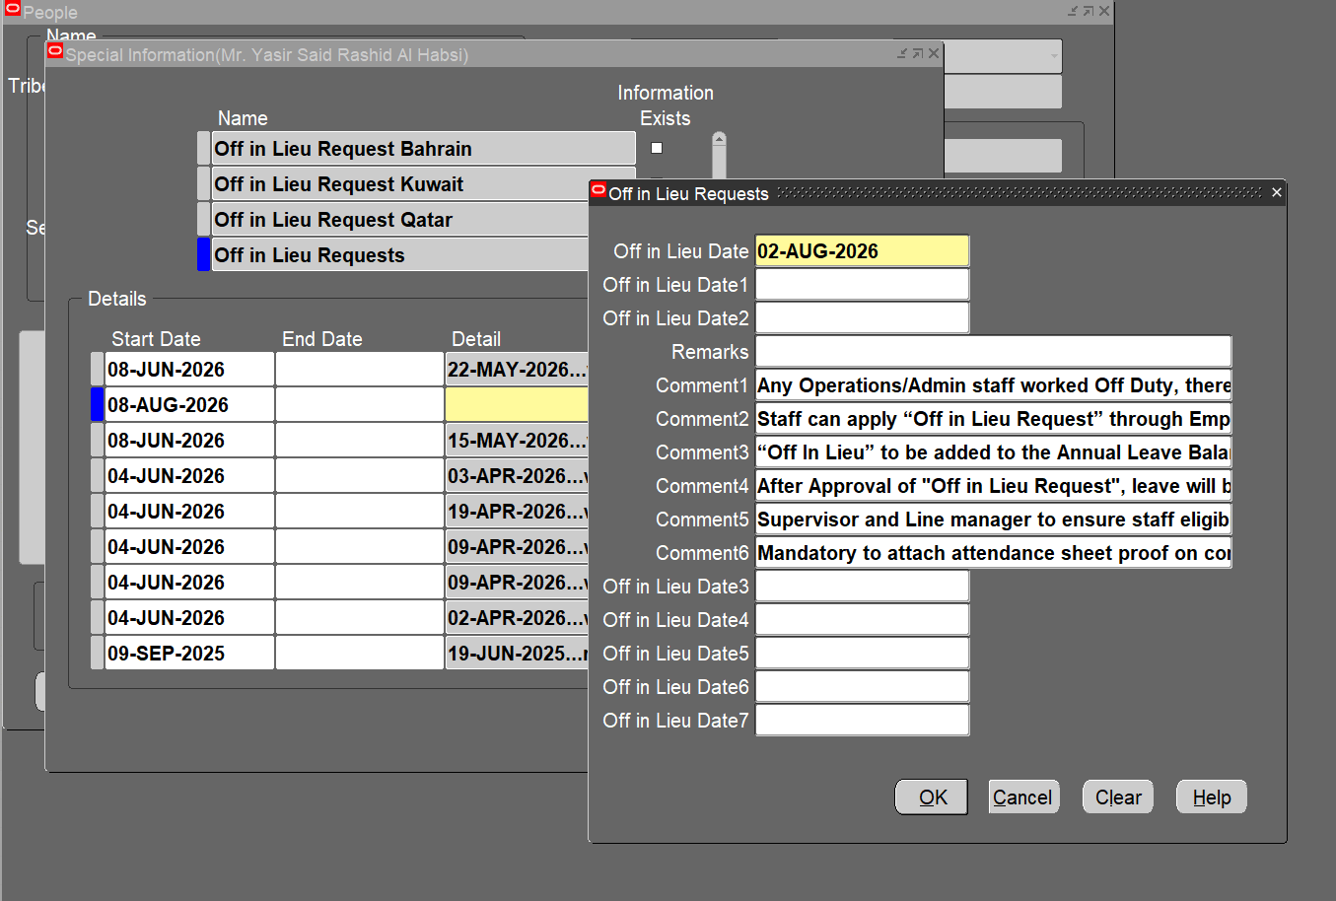

Run the program ''OA Custom HR Off in Lieu Request to Off in Lieu Bank Adjustment' and Click on Submit.

The Off in Lieu Bank Adjustment Entry has been done for 1 day
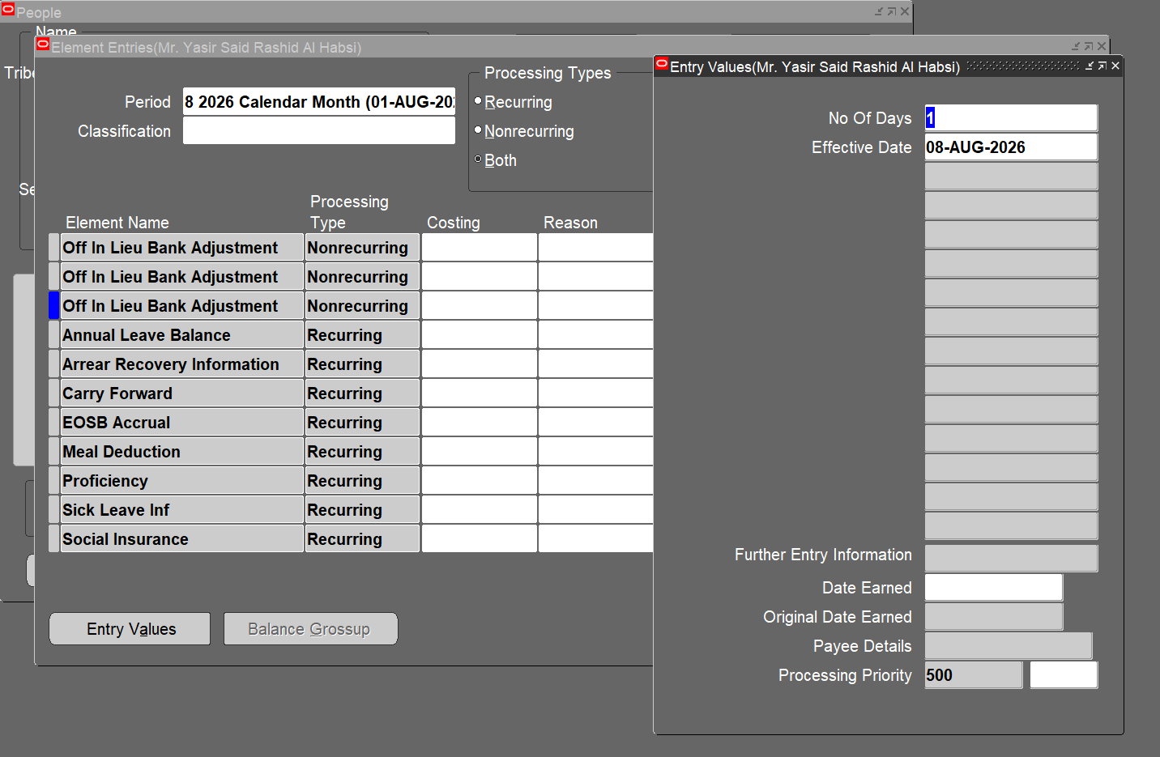

The Off in Lieu Bank Balance value has been incremented to 3

TC-14

Considering the Shift Employee 20470 for testing

The Off in Lieu Bank Balance before testing.

Query the 'Off in Lieu Requests' in the Special Information page of the People form, create an entry and click on Detail.
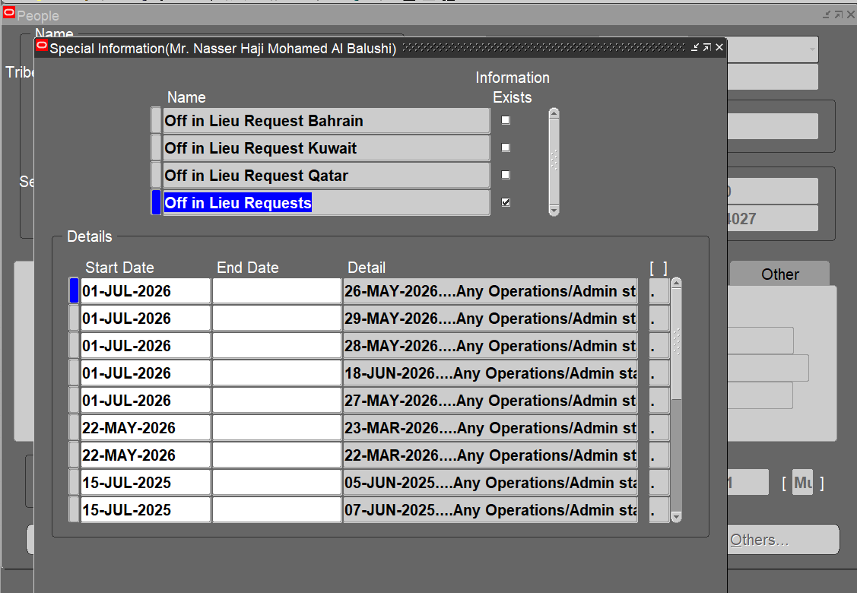

The Off in Lieu Date is provided as '02-AUG-2026' for testing. Save the changes.
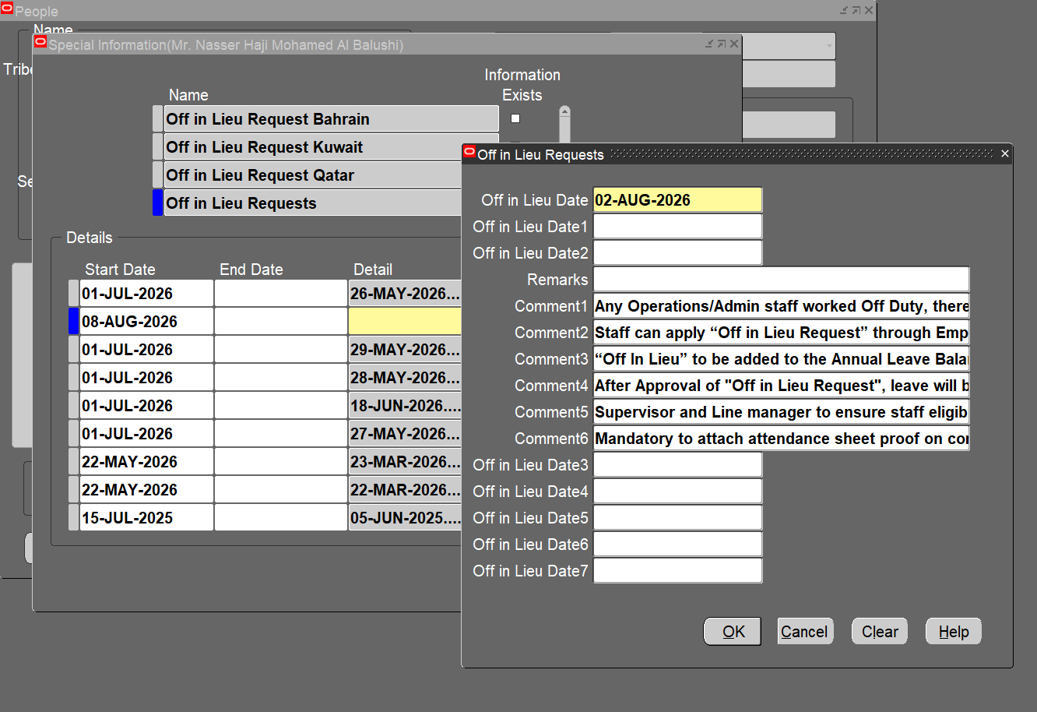

Run the program ''OA Custom HR Off in Lieu Request to Off in Lieu Bank Adjustment' and Click on Submit.

The Off in Lieu Bank Adjustment Entry has been done for 1 day
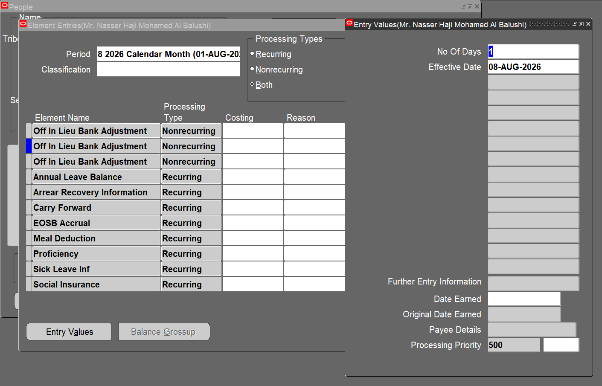

The Off in Lieu Bank Balance value has been incremented to 3

TC-15

Considering the Shift Employee 20530 for testing

The Off in Lieu Bank Balance before testing.

Query the 'Off in Lieu Requests' in the Special Information page of the People form, create an entry and click on Detail.
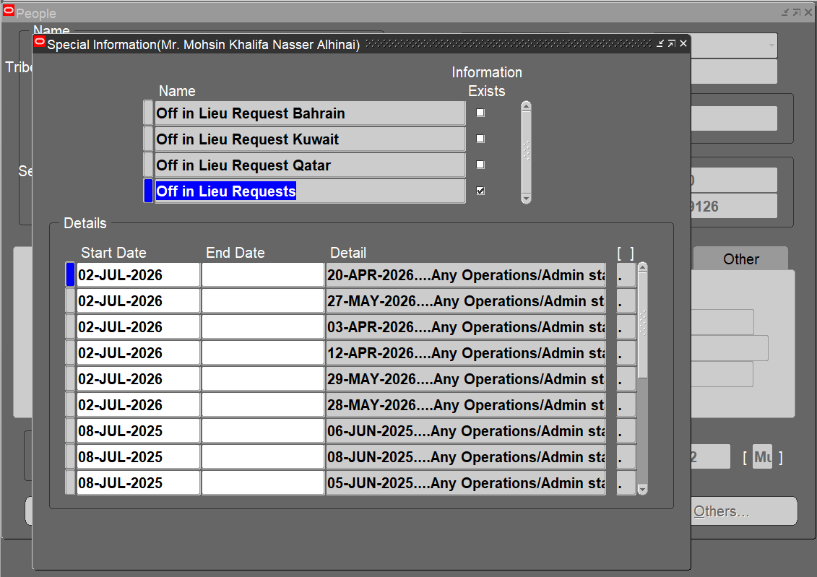

The Off in Lieu Date is provided as '02-AUG-2026' for testing. Save the changes.
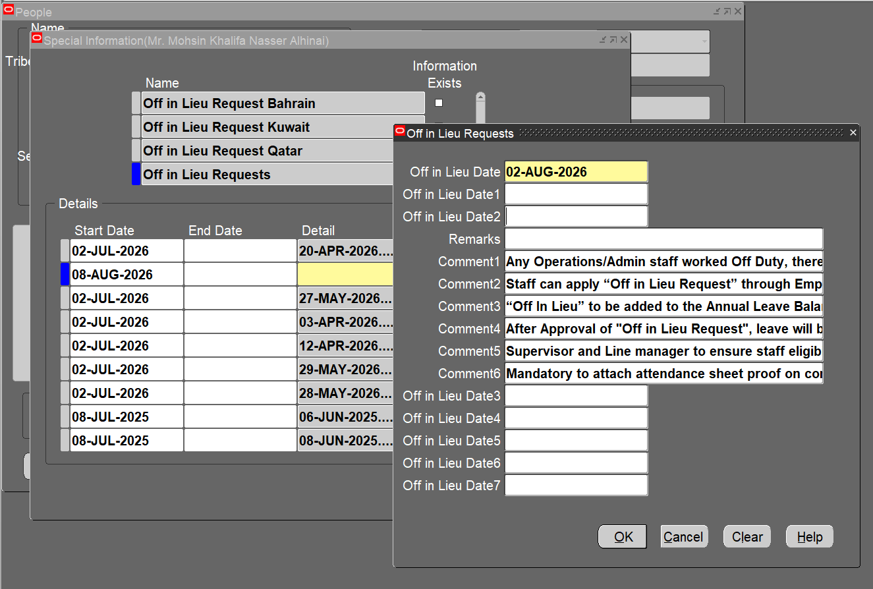

Run the program ''OA Custom HR Off in Lieu Request to Off in Lieu Bank Adjustment' and Click on Submit.

The Off in Lieu Bank Adjustment Entry has been done for 1 day
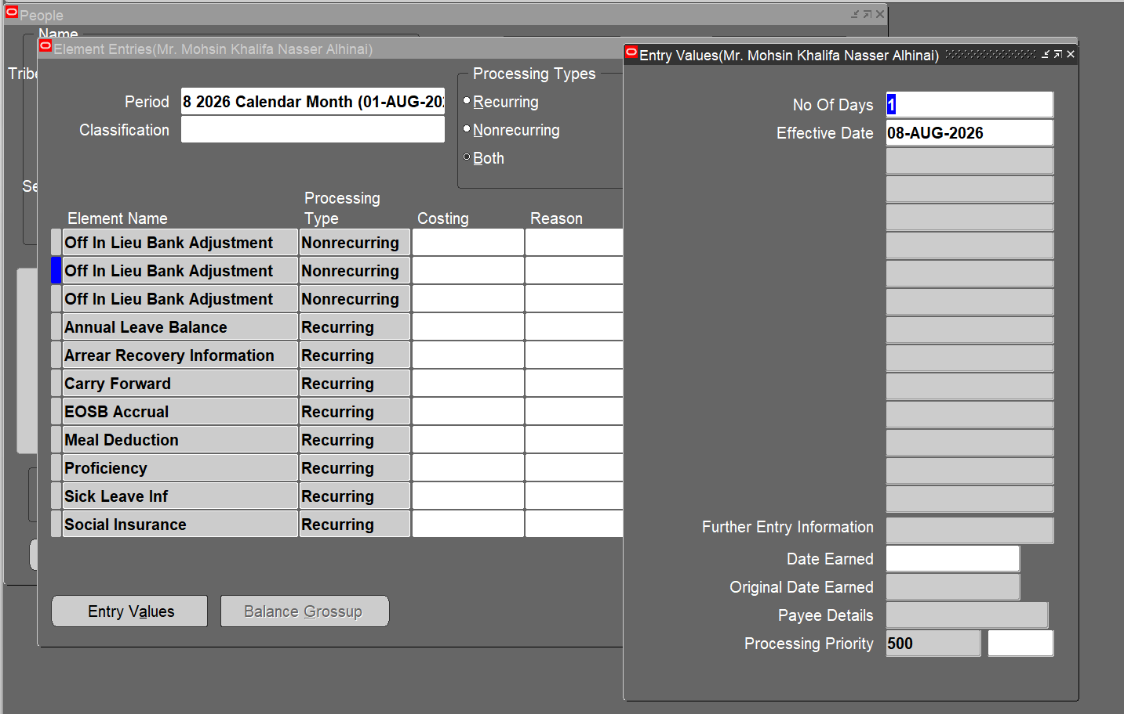

The Off in Lieu Bank Balance value has been incremented to 3

TC-16

Considering the Regular Employee 40022 for testing

The Off in Lieu Bank Balance before testing.

Query the 'Off in Lieu Requests' in the Special Information page of the People form and click on Detail.
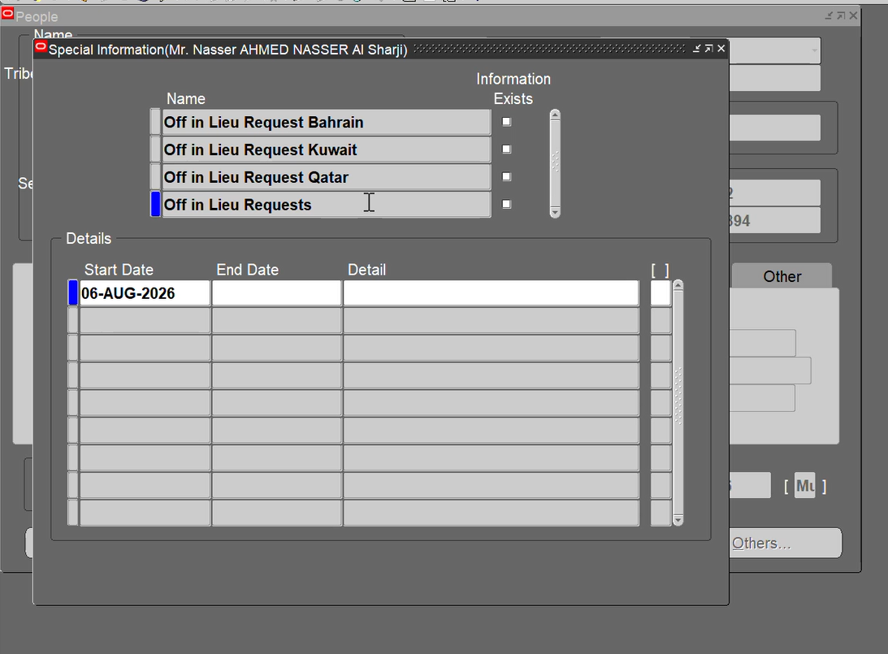

The Off in Lieu Date is provided as '02-AUG-2026' for testing. Save the changes.
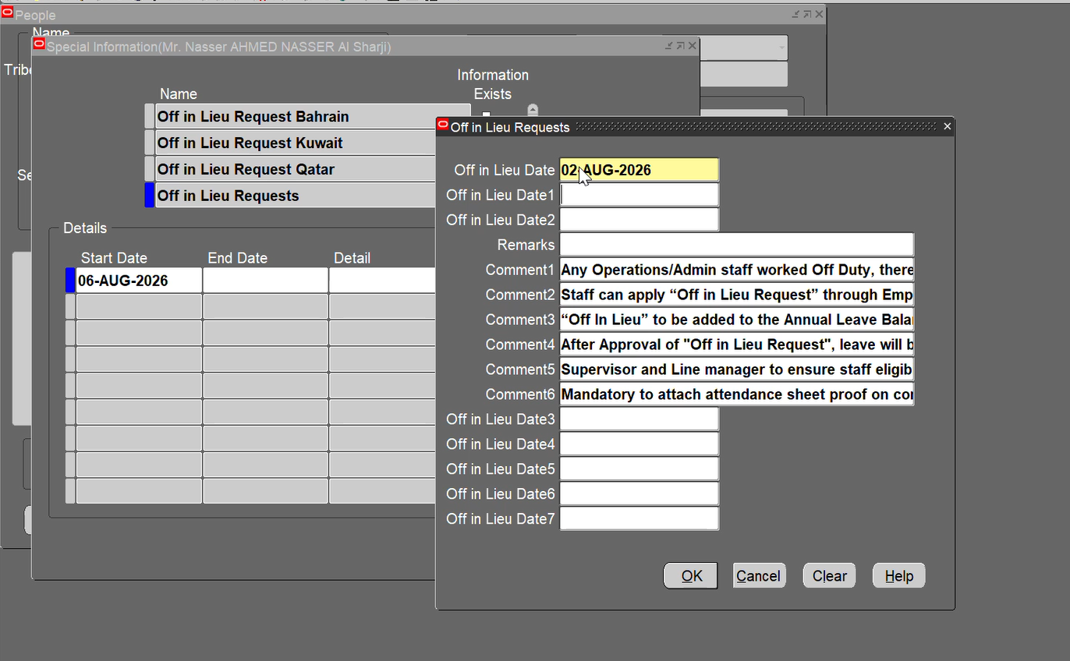

Run the program ''OA Custom HR Off in Lieu Request to Off in Lieu Bank Adjustment' and Click on Submit.

The Off in Lieu Bank Adjustment Entry has been done for 1 day
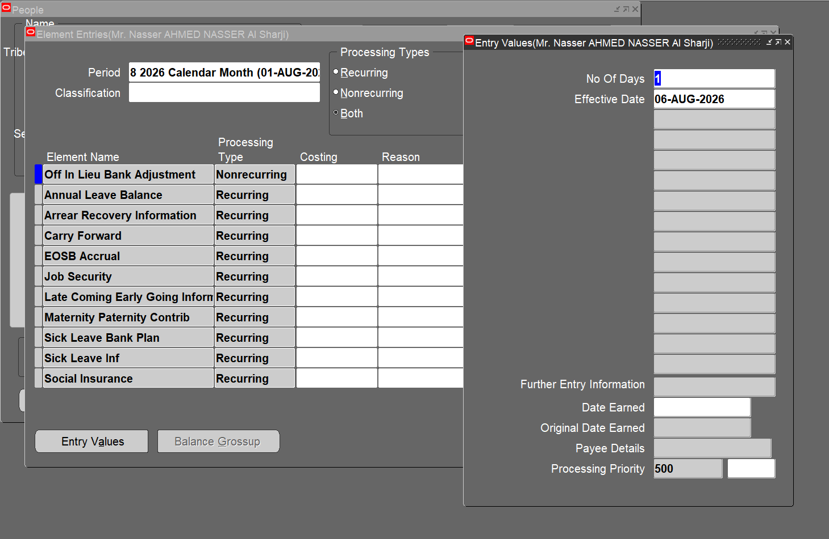

The Off in Lieu Bank Balance value has been incremented to 1

TC-17

Considering the Regular Employee 20620 for testing

The Off in Lieu Bank Balance before testing.

Query the 'Off in Lieu Requests' in the Special Information page of the People form and click on Detail.
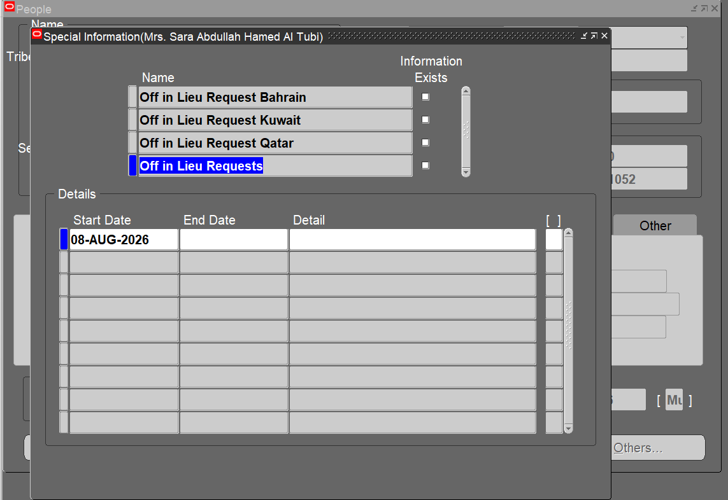

The Off in Lieu Date is provided as '02-AUG-2026' for testing. Save the changes.
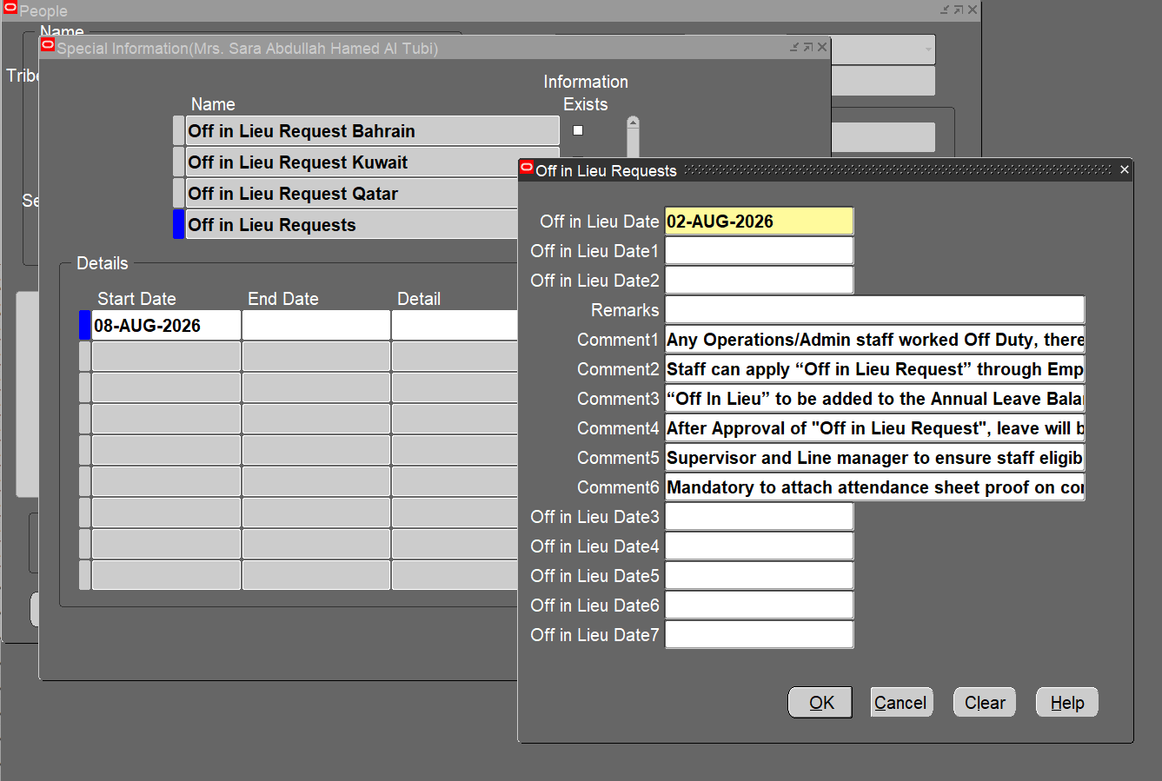

Run the program ''OA Custom HR Off in Lieu Request to Off in Lieu Bank Adjustment' and Click on Submit.

The Off in Lieu Bank Adjustment Entry has been done for 1 day


The Off in Lieu Bank Balance value has been incremented to 2

TC-18

Considering the Regular Employee 20863 for testing

The Off in Lieu Bank Balance before testing.

Query the 'Off in Lieu Requests' in the Special Information page of the People form and click on Detail.


The Off in Lieu Date is provided as '02-AUG-2026' for testing. Save the changes.


Run the program ''OA Custom HR Off in Lieu Request to Off in Lieu Bank Adjustment' and Click on Submit.

The Off in Lieu Bank Adjustment Entry has been done for 1 day


The Off in Lieu Bank Balance value has been incremented to 2

TC-19

Considering the Regular Employee 40019 for testing

The Off in Lieu Bank Balance before testing.

Query the 'Off in Lieu Requests' in the Special Information page of the People form and click on Detail.


The Off in Lieu Date is provided as '02-AUG-2026' for testing. Save the changes.


Run the program ''OA Custom HR Off in Lieu Request to Off in Lieu Bank Adjustment' and Click on Submit.

The Off in Lieu Bank Adjustment Entry has been done for 1 day


The Off in Lieu Bank Balance value has been incremented to 2

TC-20

Considering the Regular Employee 20809 for testing

The Off in Lieu Bank Balance before testing.

Query the 'Off in Lieu Requests' in the Special Information page of the People form and click on Detail.


The Off in Lieu Date is provided as '02-AUG-2026' for testing. Save the changes.


Run the program ''OA Custom HR Off in Lieu Request to Off in Lieu Bank Adjustment' and Click on Submit.

The Off in Lieu Bank Adjustment Entry has been done for 1 day


The Off in Lieu Bank Balance value has been incremented to 2

